NRCC Headers
First & Last Page Heading
 | User input |  | auto calculated | From another Table |  | From look up table
STATE OF CALIFORNIA
Mechanical Systems
NRCC-MCH-E (Created XX/XX) |  |  |  |  | CALIFORNIA ENERGY COMMISSION
CERTIFICATE OF COMPLIANCE |  |  |  |  |  | NRCC-MCH-E
This document is used to demonstrate compliance for mechanical systems that are within the scope of the permit application and are demonstrating compliance using the prescriptive path outlined in §140.4, 140.0, 170.2, §180.1 and §180.2 .
Project Name: |  |  |  |  | Report Page: | Page 1 of ??
Project Address: |  |  |  |  | Date Prepared:

 | The project name and date prepared is a user input on the first page, but will populate the heading on all other pages.

Heading for all other pages
STATE OF CALIFORNIA
Mechanical Systems
NRCC-MCH-E (Created XX/XX) |  |  |  |  | CALIFORNIA ENERGY COMMISSION
CERTIFICATE OF COMPLIANCE |  |  |  |  |  | NRCC-MCH-E
Project Name: |  |  |  |  | Report Page: | Page 1 of ??
Project Address: |  | Remove this field on all but first & last page header |  |  | Date Prepared:

LMCC Headers
First & Last Page Heading
 | User input |  | auto calculated | From another Table |  | From look up table
STATE OF CALIFORNIA
Mechanical Systems
LMCC-MCH-E |  |  |  |  | CALIFORNIA ENERGY COMMISSION
CERTIFICATE OF COMPLIANCE |  |  |  |  |  | LMCC-MCH-E
This document is used to demonstrate compliance for mechanical systems that are within the scope of the permit application and are demonstrating compliance using the prescriptive path outlined in §140.0, §140.4, §170.2, §180.1 and §180.2 .
Project Name: |  |  |  |  | Report Page: | Page 1 of ??
Project Address: |  |  |  |  | Date Prepared:

 | The project name and date prepared is a user input on the first page, but will populate the heading on all other pages.

Heading for all other pages
STATE OF CALIFORNIA
Mechanical Systems
NRCC-MCH-E (Created XX/XX) |  |  |  |  | CALIFORNIA ENERGY COMMISSION
CERTIFICATE OF COMPLIANCE |  |  |  |  |  | LMCC-MCH-E
Project Name: |  |  |  |  | Report Page: | Page 1 of ??
Project Address: |  | Remove this field on all but first & last page header |  |  | Date Prepared:

F. HVAC Systems (NRCC)
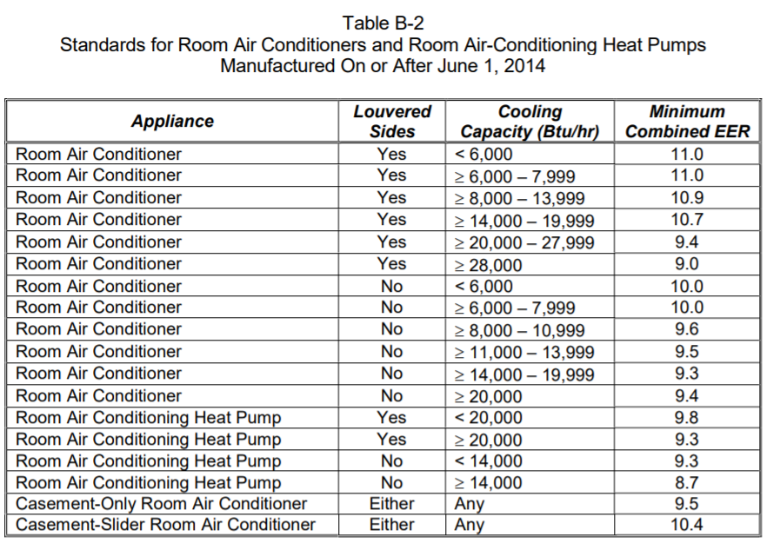
 |  | User input |  |  | auto calculated |  |  |  |  |  |  | From another Table |  |  | From look up table

F. HVAC SYSTEM SUMMARY (DRY & WET SYSTEMS)
This table is used to demonstrate compliance for mechanical equipment with mandatory requirements found in §110.1 and §110.2(a) and prescriptive requirements found in §140.4 (a), §140.4(b), §170.2(c)1, §170.2(c)3, §140.4(k) or §141.0(b)2 and §180.2(b)2 for alterations.

Space Conditioning System Information
01 | 02 | 03 | 04 | 05 | 06
Name or Item Tag | Quantity | System Serving | System Status | Space Type | Utilizing Recovered Heat
 |  | Dropdown | Dropdown | Dropdown | ¨

 |  | System Serving Dropdown | Status Dropdown | Space Type Dropdown
 |  | Single Zone | New/Addition | Retail
 |  | Multi-Zone | Alteratation | Grocery
 |  | Multiple Dwelling units | Addition | School
 |  | Individual Dwelling Unit |  | Financial Institution
 |  |  |  | Library
 |  |  |  | Office Space in Wearhouse
 |  |  |  | Office
 |  |  |  | Other

NOTE - The sizing table below is not completed from left to right in the user interface. Sizing information is needed to determine if system type is restricted. This is ok since the form is just a reporting tool, not a user interface

Dry System Equipment Sizing (includes air conditioners, condensers, heat pumps, VRF, furnaces, unit heaters and DOAS systems )
01 | 02 | 03 | 04 | 05 | 06 | 07 | 08 | 09 | 10 | 11
Name or Item Tag | Equipment Category per Tables 110.2, §140.4(a)2 and 170.2(c)3aii | Equipment Type per Tables 110.2 & Title 20 | Smallest Size Available1 §140.4(a) & 170.2(c)1 | Equipment Sizing per Mechanical Schedule (kBtu/h) §140.4 (a&b), §170.2(c)1 & §170.2(c)2
 |  |  |  | Heating Output2,3 |  |  | Cooling Output2,3 |  | Load Calculations3,4
 |  |  |  | Per Design (kBtu/h) | Rated (kBtu/h) | Supp. Heating Output (kBtu/h) | Sensible Per Design (kBtu/h) | Rated (kBtu/h) | Total Heating Load (kBtu/h) | Total Sensible Cooling Load (kBtu/h)
auto-populated from table above | Dropdown | Dropdown | Dropdown
1 FOOTNOTES: Equipment shall be the smallest size, within the available options of the desired equipment line, necessary to meet the design heating and cooling loads of the building per §140.4(a) and §170.2(c)1. Healthcare facilities are excepted. |  |  |  |  |  |  |  |  | Add Row | Remove Last
2 It is common practice to show rated output capacity on the equipment schedule. Sensible cooling output comes from specification sheet tables.
3 If equipment is heating only, leave cooling output and load blank. If equipment is cooling only, leave heating output and load blank.
4 Authority Having Jurisdiction may ask for load calculations used for compliance per §140.4(b) and §170.2(c)2. |  |  |  |  |  |  |  |  |  |  |  |  |  |  |  |  |  |  |  |  | Customized Sizing drop downs for column 02 in Dry System Equipment Efficiency (other than Package Terminal Air Conditioners (PTAC) and Package Terminal Heat Pumps (PTHP)) Table
 | Equipment Category Dropdown | Eq Type Dropdown | Smallest Size Dropdown |  |  |  |  |  |  |  |  |  |  |  | Dropdown for Column 03Eq Type
 | Unitary AC/ Condensers | Ben, see column M. | Yes |  |  |  |  |  |  |  |  |  |  |  |  |  |  |  |  | From Table 110.2-A >> | AC, water cooled | AC, evaporatively cooled | Condensing Units, air cooled | Condensing Units, water cooled | Condensing Units, evaporatively cooled
 | Unitary AC/ Cond. (no elec. resistance) |  | NA: Standby Equip. |  |  |  |  |  |  |  |  |  |  |  |  |  |  |  |  |  | > 65,000 and < 135,000 | > 65,000 and < 135,000 | > 135,000 | > 135,000 | > 135,000
 | Unitary heat pumps |  | NA: Load Controls |  |  |  |  |  |  |  |  |  |  | "Unitary AC/ Condensers" | AC, water cooled | << from Table 110.2-A |  |  |  |  | > 135,000 and < 240,000 | > 135,000 and < 240,000
 | Unitary heat pumps (no elec. resistance) |  | NA: Altered per §141.0(b)2E & 180.2(b)2 |  |  |  |  |  |  |  |  |  |  |  |  |  |  |  |  |  | > 240,000 and < 760,000 | > 240,000 and < 760,000
 | PTAC/ PTHP |  | NA: System serves Healthcare |  |  |  |  |  |  |  |  |  |  |  | AC, evaporatively cooled | << from Table 110.2-A |  |  |  |  | > 760,000 | > 760,000
 | SPVAC/ SPVHP |  | NA: DOAS system |  |  |  |  |  |  |  |  |  |  |  |  | << from Table 110.2-A
 | Variable Refrigerant Flow |  |  |  |  |  |  |  |  |  |  |  |  |  | Condensing units, air cooled | << from Table 110.2-A
 | Furnace/ Unit heater |  |  |  |  |  |  |  |  |  |  |  |  |  | Condensing units, water cooled | << from Table 110.2-A
 | Ceiling Mounted Computer Rm AC |  |  |  |  |  |  |  |  |  |  |  |  |  | Condensing units, evaporatively cooled | << from Table 110.2-A
 | Computer Room AC (not ceiling mounted)
 | Sm. Commercial AC
 | Furnace + AC (split or packaged) |  |  |  |  |  |  |  |  |  |  |  |  |  |  |  |  |  | AirCooledSplit1PhaseAC
 | Room AC/HP
 | Dual Fuel Heat Pump
 | Dedicated Outdoor Air System

Dry System Equipment Efficiency (other than Package Terminal Air Conditioners (PTAC), Package Terminal Heat Pumps (PTHP), DX-DOAS and Dual Fuel Heat Pumps) |  |  |  |  |  |  |  |  |  |  |  |  |  |  | AC, air cooled, split (1 phase)
01 | 02 | 03 | 04 | 05 |  | 06 | 07 | 08 | 09 | 10 |  |  |  |  | AC, air cooled, split (3 phase)
Name or Item Tag | Size Category (Btu/h) | Heating Mode |  |  |  |  |  | Cooling Mode |  |  |  |  |  |  | AC, air cooled, split, space constrained
 |  | Rating Condition (oF) | Efficiency Unit | Minimum Efficiency Required per Tables 110.2/ Title 20 |  | Design Efficiency | Refrigerant Loop Heat Recovery | Efficiency Unit | Minimum Efficiency Required per Tables 110.2/ Title 20 | Design Efficiency |  |  |  |  | AC, air cooled, package (1 phase)
From Eq Table above | Dropdown | Dropdown | Dropdown | Values from Tables 110.2-A, B, C, F, G & T20 Tables |  |  |  | Unit from efficiency tables auto populates here based on size category (col 02) | Values from Tables 110.2-A, B, C, F, G & T20 Tables |  |  |  |  |  | AC, air cooled, package (3 phase) |  |  |  |  | From Tables C-3, C-4 or 110.2-A, depending on size category >> | AC, air cooled, split (1 phase) | AC, air cooled, split (3 phase) | AC, air cooled, split, space constrained | AC, air cooled, package (1 phase) | AC, air cooled, package (3 phase) | AC, air cooled, package, space constrained | AC, air cooled, small duct, high velocity
 |  |  |  |  |  |  |  | Unit from efficiency tables auto populates here based on size category (col 02) | Values from Tables 110.2-A, B, C, F, G & T20 Tables |  |  |  |  |  | AC, air cooled, package, space constrained |  |  |  |  |  | < 45,000 | < 65,000 | < 65,000 | < 65,000 | < 65,000 | < 65,000 | < 65,000
 |  |  |  |  |  |  |  |  |  |  |  |  |  |  | AC, air cooled, small duct, high velocity |  |  |  |  |  | >= 45,000 and < 65,000 | >= 65,000 and < 135,000 | >= 65,000 and < 135,000 | >= 65,000 and < 135,000 | >= 65,000 and < 135,000 | >= 65,000 and < 135,000
 | Size Category Dropdown | Rating Condition Dropdown | Unit Dropdown |  |  |  |  | Units for auto populating, depends on equipment & size |  |  |  |  |  | Sm. Commercial AC | Air-cooled unitary AC/HP Split Sys (3Ph) | << from Table C-4 to the right |  |  |  |  | >= 65,000 and < 135,000 | >= 135,000 and < 240,000 | >= 135,000 and < 240,000 | >= 135,000 and < 240,000 | >= 135,000 and < 240,000 | >= 135,000 and < 240,000
 | See tables in column AF of this tab for custom drop downs. Sorry! | See Rating condition choices in system type selection on the far right side of this sheet. | COP |  |  |  |  | EER |  |  |  |  |  |  | Air-cooled unitary AC/HP Pkg (3Ph) | << from Table C-4 to the right |  |  |  |  | >= 135,000 and < 240,000 | >= 240,000 and < 760,000 | >= 240,000 and < 760,000 | >= 240,000 and < 760,000 | >= 240,000 and < 760,000 | >= 240,000 and < 760,000
 |  |  | AFUE |  |  |  |  | IEER |  |  |  |  |  | "Unitary Heat Pumps" | Air cooled, split (1 phase) |  |  |  |  |  | >= 240,000 and < 760,000 | >= 760,000 | >= 760,000 | >= 760,000 | >= 760,000 | >= 760,000
 |  |  | Et |  |  |  |  | SEER |  |  |  |  |  |  | Air cooled, split (3 phase) |  |  |  |  |  | >= 760,000
 |  |  | Ec |  |  |  |  | COP |  |  |  |  |  |  | Air cooled, split, space constrained
 |  |  | HSPF |  |  |  |  | SCOP |  |  |  |  |  |  | Air cooled, package (1 phase)
 |  |  |  |  |  |  |  |  |  |  |  |  |  |  | Air cooled, package (3 phase)
 |  |  |  |  |  |  |  |  |  |  |  |  |  |  | Air cooled, package, space constrained |  |  |  |  | From Table C-4 to the left >> | Air-cooled unitary AC+HP Split Sys (3Ph) | Air-cooled unitary AC+HP Pkg (3Ph)
 |  |  |  |  |  |  |  |  |  |  |  |  |  |  | Aircooled, small duct, high velocity |  |  |  |  |  | < 65,000 | < 65,000

 |  |  |  |  |  |  |  |  |  |  |  |  |  |  | Water source | << from Table 110.2-B |  |  |  | From Table 110.2-B >> | Water source | Groundwater source | Ground source | Water source water-to-water | Groundwater source water-to water | Ground source brine-to-water
 |  |  |  |  |  |  |  |  |  |  |  |  |  |  | Groundwater source | << from Table 110.2-B |  |  |  |  | <17,000 | < 135,000 | < 135,000 | < 135,000 | < 135,000 | < 135,000
Dry System Equipment Efficiency (Package Terminal Air Conditioners (PTAC) and Package Terminal Heat Pumps (PTHP) only) |  |  |  |  |  |  |  |  |  |  |  |  |  |  | Ground source | << from Table 110.2-B |  |  |  |  | =>17,000 and < 135,000
01 | 02 | 03 | 04 | 05 | 06 | 070 |  |  |  |  |  |  |  |  | Water source water-to-water | << from Table 110.2-B |  |  |  |  | > 135,000 and < 240,000
Name or Item Tag | Heating Mode |  |  | Cooling Mode |  |  |  |  |  |  |  |  |  |  | Groundwater source water-to water | << from Table 110.2-B |  |  |  |  |  | 1 |  | 1 | 1 |  | 1 | 1
 | Rated Output Capacity (kBtu/h) | Minimum COP Required per Table 110.2-E | Design COP | Rated Output Capacity (kBtu/h) | Minimum EER Required per Table 110.2-E | Design EER |  |  |  |  |  |  |  |  | Ground source brine-to-water | << from Table 110.2-B |  |  |  | From Table C-3, C-4, 110.2-B or 110.2-C depending on size category>> | Air-cooled gas-engine heat pump | Air cooled, split (1 phase) | Air cooled, split (3 phase) | Air cooled, split, space constrained | Air cooled, package (1 phase) | Air cooled, package (3 phase) | Air cooled, package, space constrained | Air cooled, small duct, high velocity
 |  |  |  |  |  |  |  |  |  |  |  |  |  |  | Air-cooled gas-engine heat pump | << from Table 110.2-C |  |  |  |  | Grey out the cell for this selection | < 65,000 | < 65,000 | < 65,000 | < 65,000 | < 65,000 | < 65,000 | < 65,000
From Eq Table above | Comes from sizing table column 06 | From Table 110.2-E Title 20 |  | Comes from sizing table column 09 | From Table 110.2-E Title 20 |  |  |  |  |  |  |  |  |  |  |  |  |  |  |  |  | >= 65,000 and < 135,000 | >= 65,000 and < 135,000 | >= 65,000 and < 135,000 | >= 65,000 and < 135,000 | >= 65,000 and < 135,000 | >= 65,000 and < 135,000
 |  |  |  |  |  |  |  |  |  |  |  |  |  |  |  |  |  |  |  |  |  | >= 135,000 and < 240,000 | >= 135,000 and < 240,000 | >= 135,000 and < 240,000 | >= 135,000 and < 240,000 | >= 135,000 and < 240,000 | >= 135,000 and < 240,000
 |  |  |  |  |  |  |  |  |  |  |  |  |  | "PTAC/PTHP" | PTAC newly constructed or newly conditioned | << from Table 110.2-E |  |  |  |  |  | >= 240,000 | >= 240,000 | >= 240,000 | >= 240,000 | >= 240,000 | >= 240,000
 |  |  |  |  |  |  |  |  |  |  |  |  |  |  | PTAC replacements | << from Table 110.2-E
 |  |  |  |  |  |  |  |  |  |  |  |  |  |  | PTHP newly constructed or newly conditioned | << from Table 110.2-E |  |  | ƒ
 |  |  |  |  |  |  |  |  |  |  |  |  |  |  | PTHP replacements | << from Table 110.2-E
 |  |  |  |  |  |  |  |  |  |  |  |  |  | "SPVAC/ SPVHP" | SPVAC | << from Table 110.2-E

NOTE - This table should act like the fan table with tiered levels. There can be mutiple Boiler systems and multiple boilers within each boiler system |  |  |  |  |  |  |  |  |  |  |  |  |  |  | SPVAC nonweatherized space constrained | << from Table 110.2-E
Boiler Efficiency and Controls |  |  |  |  |  |  |  |  |  |  |  |  |  |  | SPVHP | << from Table 110.2-E
Boiler System Serving: |  |  | User Input |  |  |  |  |  |  |  |  |  |  |  | SPVHP nonweatherized space constrained | << from Table 110.2-E
01 | 02 |  | 03 | 04 | 05 | 06 | 07 | 08 | 09 | 10 | 11
Boiler Name or Item Tag | Equipment Type1 |  | Qty | Rated Input Capacity (Btu/h)2, 3 | Rated Efficiency | Minimum Efficiency Required per §110.2 | Efficiency Unit | Boiler Controls per §140.4(k) & §170.2(c)Iiii |  | High Capacity Boiler Exceptions | HVAC Hot Water Supply Temperature §120.2(I)
 |  |  |  |  |  |  |  | Isolation Valve | Temperature Reset
 | Dropdown |  |  |  |  | Use table 110.2-J column after 1/10/23 Title 20 Tables | Units listed in Table 110.2-J Title 20 Tables | Dropdown | Dropdown | Dropdown | user input
System Efficiency |  |  |  |  | Minimum System Efficiency for High Capacity Boilers per 140.4(k)8A |  |  | 90% |  |  |  |  |  |  |  |  | From Table 110.2-E >> | SPVAC | SPVHP
1 FOOTNOTES: Use NRCC-PLB to document compliance with domestic hot water and service water heating systems |  |  |  |  |  |  |  |  |  |  |  |  |  |  |  |  |  | < 65,000 | < 65,000 | From Table 110.2-G >> | VRF air conditioners, air cooled
2 Maximum capacity- maximum ratings per the certified unit capacity |  |  |  |  |  |  |  | Isolation Dropdown | Temperature Reset Dropdown | HCB Exceptions Dropdown |  |  |  |  |  |  |  |  |  |  | < 65,000
3 Includes oil-fired (residual) |  |  |  |  |  |  |  | Yes | Yes | >=25% space heating provided by on-site renewable |  |  |  | "VRF" | VRF air conditioners, air cooled | << from Table 110.2-G |  |  |  |  | > 65,000 and < 135,000
 |  |  |  |  |  |  |  | NA: only 1 boiler in plant | NA: < 500,000 Btu/h | >=25% space heating provided by site recovered energy |  |  |  |  | VRF heat pump, air cooled | << from Table 110.2-H |  |  |  |  | > 135,000 and < 240,000
 | Equipment Type Dropdown |  |  |  |  |  |  |  | NA: Variable Flow Controls | >=25% space heating provided heat recovery chillers |  |  |  |  | VRF water source | << from Table 110.2-H |  |  |  |  | > 240,000
 | Hot water: Gas-Fired |  |  |  |  |  |  |  | NA: System serves Healthcare | Installed in individual dwelling unit |  |  |  |  | VRF groundwater source | << from Table 110.2-H
 | Hot water: Oil-Fired |  |  |  |  |  |  |  |  | >=50% heating served by perimeter convective/radiant ceiling panels |  |  |  |  | VRF ground source | << from Table 110.2-H |  |  |  | From Table 110.2-H >> | VRF heat pump, air cooled | VRF water source | VRF groundwater source | VRF ground source
 | Steam: Gas-Fired, not natural draft |  |  |  |  |  |  |  |  | Serving Multifamily Occupancy |  |  |  | "Furnace/ Unit Heater" | Warm-air central furnace, gas-fired | << from Table 110.2-I |  |  |  |  | < 65,000 | < 65,000 | < 135,000 | < 135,000
 | Steam: Gas-Fired, natural draft |  |  |  |  |  |  |  |  | No Exceptions Apply |  |  |  | "Furnace/ Unit Heater" | Warm-air duct furnace, gas-fired | << from Table 110.2-I |  |  |  |  | > 65,000 and < 135,000 | > 65,000 and < 135,000 | > 135,000 | > 135,000
 | Steam: Oil-Fired |  |  |  |  |  |  |  |  |  |  |  |  |  | Warm-air unit heaters, gas-fired | << from Table 110.2-I |  |  |  |  | > 135,000 and < 240,000 | > 135,000 and < 240,000
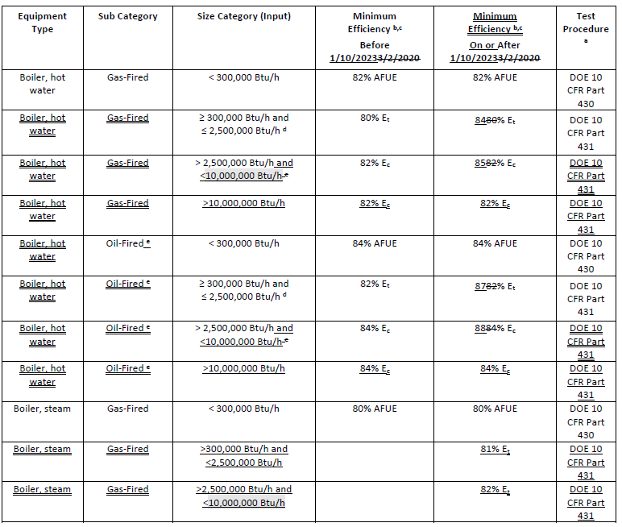
 |  |  |  |  |  |  |  |  |  |  |  |  |  | "Furnace/ Unit Heater" | Weatherized gas central furnace w single phase supply | << from Table 4-1 to the right |  |  |  |  | > 240,000 | >=240,000
 |  |  |  |  |  |  |  |  |  |  |  |  |  |  | Non-weatherized gas central furnace w single phase supply | << from Table 4-1 to the right
 |  |  |  |  |  |  |  |  |  |  |  |  |  | "Furnace/ Unit Heater" | Wall furnace, fan | << from Table 4-2 to the right |  |  |  | From Table 110.2-I >> | Warm-air central furnace, gas-fired | Warm-air duct furnace, gas-fired | Warm-air unit heaters, gas-fired
 |  |  |  |  |  |  |  |  |  |  |  |  |  |  | Wall furnace, gravity | << from Table 4-2 to the right |  |  |  |  | < 225,000 | Grey out the cell for this selection | Grey out the cell for this selection
 |  |  |  |  |  |  |  |  |  |  |  |  |  |  | Floor furnace | << from Table 4-2 to the right |  |  |  |  | > 225,000
 |  |  |  |  |  |  |  |  |  |  |  |  |  |  | Room Heater | << from Table 4-2 to the right
 |  |  |  |  |  |  |  |  |  |  |  |  |  | "Computer Rm AC (not ceiling mounted) | CRAC, air-cooled, downflow | << from Table C-7 to the right |  |  |  | From Title 20 Table E-6 to the left >> | Weatherized gas central furnace w single phase supply | Non-weatherized gas central furnace w single phase supply
 |  |  |  |  |  |  |  |  |  |  |  |  |  |  | CRAC, air-cooled, upflow | << from Table C-7 to the right |  |  |  |  | < 225,000 | < 225,000
 |  |  |  |  |  |  |  |  |  |  |  |  |  |  | CRAC, water-cooled, downflow | << from Table C-7 to the right
 |  |  |  |  |  |  |  |  |  |  |  |  |  |  | CRAC, water-cooled, upflow | << from Table C-7 to the right |  |  |  | From Table E-2 to the left >> | Wall furnace, fan | Wall furnace, gravity | Floor furnace | Room Heater
 |  |  |  |  |  |  |  |  |  |  |  |  |  |  | CRAC, water-cooled w econ, downflow | << from Table C-7 to the right |  |  |  |  | < 42,000 | < 27,000 | < 37,000 | < 20,000
 |  |  |  |  |  |  |  |  |  |  |  |  |  |  | CRAC, water-cooled w econ,upflow | << from Table C-7 to the right |  |  |  |  | > 42,000 | > 27,000 and < 46,000 | > 37,000 | > 20,000 and < 27,000
 |  |  |  |  |  |  |  |  |  |  |  |  |  |  | CRAC, Glycol-cooled, downflow | << from Table C-7 to the right |  |  |  |  |  | > 46,000 |  | > 27,000 and < 46,000
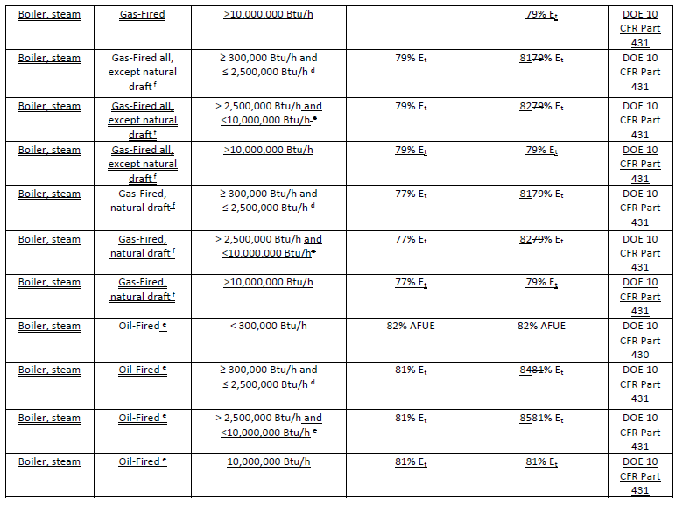
 |  |  |  |  |  |  |  |  |  |  |  |  |  |  | CRAC, Glycol-cooled, upflow | << from Table C-7 to the right |  |  |  |  |  |  |  | > 46,000
 |  |  |  |  |  |  |  |  |  |  |  |  |  |  | CRAC, Glycol-cooled w econ, downflow | << from Table C-7 to the right
 |  |  |  |  |  |  |  |  |  |  |  |  |  |  | CRAC, Glycol-cooled w econ, upflow | << from Table C-7 to the right |  |  |  | From Table C-7 to the left >> | CRAC, air-cooled, downflow | CRAC, air-cooled, upflow | CRAC, water-cooled, downflow | CRAC, water-cooled, upflow | CRAC, water-cooled w econ, downflow | CRAC, water-cooled w econ, upflow | CRAC, Glycol-cooled, downflow | CRAC, Glycol-cooled, upflow | CRAC, Glycol-cooled w econ, downflow | CRAC, Glycol-cooled w econ, upflow
 |  |  |  |  |  |  |  |  |  |  |  |  |  | Room AC/HP | Room AC, louvered sides | << from Table B-2 to the right |  |  |  |  | < 65,000 | < 65,000 | < 65,000 | < 65,000 | < 65,000 | < 65,000 | < 65,000 | < 65,000 | < 65,000 | < 65,000
 |  |  |  |  |  |  |  |  |  |  |  |  |  |  | Room AC, no louvers | << from Table B-2 to the right |  |  |  |  | > 65,000 and < 240,000 | > 65,000 and < 240,000 | > 65,000 and < 240,000 | > 65,000 and < 240,000 | > 65,000 and < 240,000 | > 65,000 and < 240,000 | > 65,000 and < 240,000 | > 65,000 and < 240,000 | > 65,000 and < 240,000 | > 65,000 and < 240,000
 |  |  |  |  |  |  |  |  |  |  |  |  |  |  | Room AC, casement only | << from Table B-2 to the right |  |  |  |  | > 240,000 and < 760,000 | > 240,000 and < 760,000 | > 240,000 and < 760,000 | > 240,000 and < 760,000 | > 240,000 and < 760,000 | > 240,000 and < 760,000 | > 240,000 and < 760,000 | > 240,000 and < 760,000 | > 240,000 and < 760,000 | > 240,000 and < 760,000
 |  |  |  |  |  |  |  |  |  |  |  |  |  |  | Slider Room AC, casement | << from Table B-2 to the right
 |  |  |  |  |  |  |  |  |  |  |  |  |  |  | Room AC Heat Pump, louvered sides | << from Table B-2 to the right
 |  |  |  |  |  |  |  |  |  |  |  |  |  |  | Room AC Heat Pump, no louvers | << from Table B-2 to the right
 |  |  |  |  |  |  |  |  |  |  |  |  |  | Furnace + AC | AC, air cooled, split + warm-air central furnace, gas-fired
 |  |  |  |  |  |  |  |  |  |  |  |  |  |  | AC, air cooled, split + weatherized gas central furnace |  |  |  | i
 |  |  |  |  |  |  |  |  |  |  |  |  |  |  | AC, air cooled, single pkg + weatherized gas central furnace, 1 phase supply |  |  |  |  | From Table 110.2-A & T20 C-3 (cooling) & 110.2-I & Table E-6 to the left (heating) >>> | AC, air cooled, split + Warm-air central furnace, gas-fired | AC, air cooled, split+ weatherized gas central furnace w single phase supply |  | From Table 110.2-A & T20 C-3 (cooling) & 110.2-I & Table E-6 to the left (heating) >>> | AC, air cooled, single package + Weatherized gas central furnace w single phase supply | AC, air cooled, single package + Warm-air central furnace, gas-fired
 |  |  |  |  |  |  |  |  |  |  |  |  |  |  | AC, air cooled, single pkg + warm-air central furnace, gas-fired |  |  |  |  |  | <45kBtuh cooling/ <225kBtuh heating | <45kBtuh cooling/ <225kBtuh heating
 |  |  |  |  |  |  |  |  |  |  |  |  |  | Unitary AC/ Cond. (no elec. resistance) | AC, water cooled |  |  |  |  |  | <45kBtuh cooling/ >225kBtuh heating | <45kBtuh cooling/ >225kBtuh heating |  |  | <65kBtuh cooling/ <225kBtuh heating | <65kBtuh cooling/ <225kBtuh heating
Chiller & Air To Water Heat Pump Efficiency and Controls |  |  |  |  |  |  |  |  |  |  |  |  |  |  | AC, evaporatively cooled |  |  |  |  |  | >45kBtuh cooling/ <225kBtuh heating | >45kBtuh cooling/ <225kBtuh heating |  |  | <65kBtuh cooling/ >225kBtuh heating | <65kBtuh cooling/ >225kBtuh heating
01 |  | 02 | 03 | 04 | 05 | 06 |  | 07 | 08 | 09 | 10 | 11 | 12 |  |  |  |  |  |  |  | >45kBtuh cooling/ >225kBtuh heating | >45kBtuh cooling/ >225kBtuh heating
Name or Item Tag |  | Equipment Type | Qty | Size Category1 (Tons) | Leaving Hot Water Temperature | Chiller Efficiency "Path B" Exception per §140.4(i) & §170.2(c)g |  | Rated Efficiencies | Efficiencies Required per §110.22 | Efficiency Unit | Controls per §140.4(k) & §170.2(c)I |  | Serving |  |  |  |  |  |  |  | >65kBtuh cooling/ <225kBtuh heating | >65kBtuh cooling/ <225kBtuh heating |  |  | >65kBtuh cooling/ <225kBtuh heating | >65kBtuh cooling/ <225kBtuh heating
 |  |  |  |  |  |  |  |  |  |  | Isolation Valve | Temperature Reset |  |  | Condensing units, air cooled |  |  |  |  |  | >65kBtuh cooling/ >225kBtuh heating | >65kBtuh cooling/ >225kBtuh heating |  |  | >65kBtuh cooling/ >225kBtuh heating | >65kBtuh cooling/ >225kBtuh heating
 |  | Dropdown to match Table 110.2-D |  | Dropdown | Dropdown | Dropdown |  |  | Ben, "Path B" value from Table 110.2-D or 110.2-NI & J | Ben, "Path B" units from Table 110.2-D or 110.2-NI & J | Dropdown | Dropdown |  |  | Condensing units, water cooled |  |  |  |  |  | >135kBtuh cooling/ <225kBtuh heating | >135kBtuh cooling/ <225kBtuh heating |  |  | >135kBtuh cooling/ <225kBtuh heating | >135kBtuh cooling/ <225kBtuh heating
 |  |  |  |  |  |  |  |  | Ben, "Path B" value from Table 110.2-D or 110.2-NI & J | Ben, "Path B" units from Table 110.2-D or 110.2-NI & J |  |  |  |  | Condensing units, evaporatively cooled |  |  |  |  |  | >135kBtuh cooling/ >225kBtuh heating | >135kBtuh cooling/ >225kBtuh heating |  |  | >135kBtuh cooling/ >225kBtuh heating | >135kBtuh cooling/ >225kBtuh heating
 |  |  |  |  |  |  |  |  | Table 110.2-NI & J | Table 110.2-NI & J |  |  |  |  | AC, air cooled, split (1 phase) |  |  |  |  |  | >240kBtuh cooling/ <225kBtuh heating | >240kBtuh cooling/ <225kBtuh heating |  |  | >240kBtuh cooling/ <225kBtuh heating | >240kBtuh cooling/ <225kBtuh heating
 |  |  |  |  |  |  |  |  | Table 110.2-NI & J | Table 110.2-NI & J |  |  |  |  | AC, air cooled, split (3 phase) |  |  |  |  |  | >240kBtuh cooling/ >225kBtuh heating | >240kBtuh cooling/ >225kBtuh heating |  |  | >240kBtuh cooling/ >225kBtuh heating | >240kBtuh cooling/ >225kBtuh heating
 |  |  |  |  |  |  |  |  |  | Reset | Add Row | Remove Last |  |  | AC, air cooled, split, space constrained |  |  |  |  |  | >760kBtuh cooling/ <225kBtuh heating | >760kBtuh cooling/ <225kBtuh heating |  |  | >760kBtuh cooling/ <225kBtuh heating | >760kBtuh cooling/ <225kBtuh heating
1 FOOTNOTES: Chilled water plants shall not have more than 300 tons provided by air-cooled chillers. Exceptions may apply per §140.4(j). |  |  |  |  |  |  |  |  |  |  |  |  |  |  | AC, air cooled, package (1 phase) |  |  |  |  |  | >760kBtuh cooling/ >225kBtuh heating |  |  |  | >760kBtuh cooling/ >225kBtuh heating | >760kBtuh cooling/ >225kBtuh heating
2 Efficiency required is a minimum when "EER" or "COP" is the Efficiency Unit in column 08. It is also a minimum when "IPLV" is the unit for air-cooled, absorption, and water cooled gas engine chillers. Efficiency required is a maximum when "kW/ton" is the Efficiency Unit and when "IPLV" is the unit for water cooled electrically operated chillers. |  |  |  |  |  |  |  |  |  |  | Isolation Dropdown | Temp Reset Dropdown |  |  | AC, air cooled, package (3 phase)
 |  | Equipment Type Dropdown |  | Size Category Dropdown | Leaving Hot Water Temperature | Efficiency Exception Dropdown |  |  |  |  | Yes | Yes |  |  | AC, air cooled, package, space constrained |  |  |  |  |  |  | >760kBtuh cooling/ >225kBtuh heating
 |  | Air Cooled: Condenser elec. operated |  | < 75 | Low - 105F | No exception taken |  |  |  |  | NA: only 1 chiller in plant | NA: ≤ 500 kBtu/hr (41.67 tons) |  |  | AC, air cooled, small duct, high velocity
 |  | Air Cooled: w/o condenser elec. operated |  | ≥ 75 and < 150 | Medium - 120F | 1. Electrical service > 600V |  |  |  |  | NA: chillers in series | NA: Variable Flow Controls |  | Unitary heat pumps (no elec. resistance) | Air cooled, split (1 phase)
 |  | Water Cooled: Reciprocating |  | ≥ 150 and < 300 | High - 140F | 2. Heat recovery w/ design capacity > 40% of the design chiller cooling capacity |  |  |  |  |  | NA: System serves Healthcare |  |  | Air cooled, split (3 phase) |  |  |  |  |  | Room AC, louvered sides | Room AC, no louvers
 |  | Water Cooled: Positive displacement |  | ≥ 300 and < 400 | Boost - 140F | 3. Charging energy storage systems w/ charging temperature < 40oF |  |  |  |  |  |  |  |  | Air cooled, split, space constrained |  |  |  |  | From Table B-2 >>> | < 8,000 | < 8,000 | Room AC, casement only | Room AC, slider & casement | Room AC Heat Pump, louvered sides | Room AC Heat Pump, no louvers
 |  | Water Cooled: Centrifugal |  | ≥ 400 and < 600 |  | 4. 4th (or more) chiller in this building |  |  |  |  |  |  |  |  | Air cooled, package (1 phase) |  |  |  |  |  | >= 8,000 and < 14,000 | >= 8,000 and < 11,000 | Grey out the cell for this selection | Grey out the cell for this selection | < 20,000 | < 14,000
 |  | Air Cooled: Absorption, single effect |  | ≥ 600 |  | Water -Cooled Centrifugal Chilling Package per Exception 1 to §110.2(a) |  |  |  |  |  |  |  |  | Air cooled, package (3 phase) |  |  |  |  |  | >= 14,000 and < 20,000 | >= 11,000 and < 14,000 |  |  | >= 20,000 | >= 14,000
 |  | Water Cooled: Absorption, single effect |  |  |  |  |  |  |  |  |  |  |  |  | Air cooled, package, space constrained |  |  |  |  |  | >= 20,000 and < 28,000 | >= 14,000 and < 20,000
 |  | Absorption: Double effect, indirect-fired |  |  |  |  |  |  |  |  |  |  |  |  | Aircooled, small duct, high velocity |  |  |  |  |  | >= 28,000 | >= 20,000
 |  | Absorption: Double effect, direct-fired
 |  | Water Cooled: Gas engine
 |  | Heat Recovery Chiller - Positive Displacement
 |  | Heat Recovery Chiller - Centrifugal
 |  | Air-To-Water Source Heat Pump
 |  |  |  |  |  |  |  |  |  |  |  |  |  |  | Water source
 |  |  |  |  |  |  |  |  |  |  |  |  |  |  | Groundwater source
 |  |  |  |  |  |  |  |  |  |  |  |  |  |  | Ground source |  |  |  |  |  | AC, water cooled | AC, evaporatively cooled
 |  |  |  |  |  |  |  |  |  |  |  |  |  |  | Water source water-to-water |  |  |  |  | From Table 110.2-A >> | > 65,000 and < 135,000 | > 65,000 and < 135,000 | Condensing Units, air cooled | Condensing Units, water cooled | Condensing Units, evaporatively cooled
DX-DOAS Efficiency |  |  |  |  |  |  |  |  |  |  |  |  |  |  | Groundwater source water-to water |  |  |  |  |  | > 135,000 and < 240,000 | > 135,000 and < 240,000 | > 135,000 | > 135,000 | > 135,000
01 |  | 02 | 03 | 04 | 05 |  | 06 | 07 | 08 |  |  |  |  |  | Ground source brine-to-water |  |  |  |  |  | > 240,000 and < 760,000 | > 240,000 and < 760,000
Name or Item Tag |  | Equipment Type | Qty | Energy Recovery | Rating Condition |  | Rated Efficiencies | Efficiency Unit | Minimum Efficiency |  |  |  |  |  | Air-cooled gas-engine heat pump |  |  |  |  |  | > 760,000 | > 760,000
 |  |  |  |  |  |  |  |  |  |  |  |  |  | DOAS | DOAS
From sizing table above |  | Dropdown to match Table 110.2-H |  | Dropdown | Dropdown |  |  | ISMRE |  |  |  |  |  |  | DX-DOAS
 |  |  |  |  |  |  |  | ISCOP |  |  |  |  |  | Computer Rm AC Ceiling Mounted |  |  |  |  |  |  | AC, air cooled, split (1 phase) | AC, air cooled, split (3 phase)
 |  |  |  |  |  |  |  |  |  |  |  |  |  |  |  |  |  |  |  | From Tables C-3, C-4 or 110.2-A, depending on size category >> | < 45,000 | < 65,000 | AC, air cooled, split, space constrained | AC, air cooled, package (1 phase) | AC, air cooled, package (3 phase) | AC, air cooled, package, space constrained | AC, air cooled, small duct, high velocity
 |  |  |  |  |  |  |  |  |  |  |  |  |  |  |  |  |  |  |  |  | >= 45,000 and < 65,000 | >= 65,000 and < 135,000 | < 65,000 | < 65,000 | < 65,000 | < 65,000 | < 65,000
 |  |  |  |  |  |  |  |  |  |  |  |  |  |  |  |  |  |  |  |  | >= 65,000 and < 135,000 | >= 135,000 and < 240,000 | >= 65,000 and < 135,000 | >= 65,000 and < 135,000 | >= 65,000 and < 135,000 | >= 65,000 and < 135,000
 |  |  |  |  |  |  |  |  |  |  |  |  |  |  |  |  |  |  |  |  | >= 135,000 and < 240,000 | >= 240,000 and < 760,000 | >= 135,000 and < 240,000 | >= 135,000 and < 240,000 | >= 135,000 and < 240,000 | >= 135,000 and < 240,000
 |  | Equipment Type Dropdown |  | Energy Recovery Dropdown | Rating Condition Dropdown |  |  |  |  |  |  |  |  |  |  |  |  |  |  |  | >= 240,000 and < 760,000 | >= 760,000 | >= 240,000 and < 760,000 | >= 240,000 and < 760,000 | >= 240,000 and < 760,000 | >= 240,000 and < 760,000
 |  | Air Cooled |  | Yes | Cooling Tower Condenser Water |  |  |  |  |  |  |  |  |  |  |  |  |  |  |  | >= 760,000 |  | >= 760,000 | >= 760,000 | >= 760,000 | >= 760,000
 |  | Air Source Heat Pump |  | No | Chilled Water
 |  | Water Cooled |  |  |  |  |  |  |  |  |  |  |  |  |  |  |  |  |  |  | Water source | Groundwater source
 |  | Water Source Heat Pump |  |  | Rating Condition Dropdown |  |  |  |  |  |  |  |  |  |  |  |  |  |  |  | > 65,000 and < 135,000 | < 135,000 | Ground source | Water source water-to-water | Groundwater source water-to water | Ground source brine-to-water
 |  |  |  |  | Ground Source Closed & Open Loop |  |  |  |  |  |  |  |  |  |  |  |  |  |  |  | > 135,000 and < 240,000 |  | < 135,000 | < 135,000 | < 135,000 | < 135,000
 |  |  |  |  | Ground Water Source
 |  |  |  |  | Water Source
 |  |  |  |  |  |  |  |  |  |  |  |  |  |  |  |  |  |  |  |  | Air-cooled gas-engine heat pump | Air cooled, split (1 phase)
 |  |  |  |  |  |  |  |  |  |  |  |  |  |  |  |  |  |  |  |  | Grey out the cell for this selection | < 65,000 | Air cooled, split (3 phase) | Air cooled, split, space constrained | Air cooled, package (1 phase) | Air cooled, package (3 phase) | Air cooled, package, space constrained | Air cooled, small duct, high velocity
 |  |  |  |  |  |  |  |  |  |  |  |  |  |  |  |  |  |  |  |  |  | >= 65,000 and < 135,000 | < 65,000 | < 65,000 | < 65,000 | Same as left | Same as left | Same as left
Dual Fuel Heat Pump |  |  |  |  |  |  |  |  |  |  |  |  |  |  |  |  |  |  |  |  |  | >= 135,000 and < 240,000 | >= 65,000 and < 135,000 | >= 65,000 and < 135,000 | >= 65,000 and < 135,000 | Same as left | Same as left
01 | 02 | 03 | 04 | 05 | 06 | 07 | 08 | 09 | 10 | 11 |  |  |  |  |  |  |  |  |  |  |  | >= 240,000 | >= 135,000 and < 240,000 | >= 135,000 and < 240,000 | >= 135,000 and < 240,000 | Same as left | Same as left
Name or Item Tag | Equipment Category | Equipment Type | Size Category (Btu/h) | Heating Mode |  |  |  | Cooling Mode |  |  |  |  |  |  |  |  |  |  |  |  |  |  | >= 240,000 | >= 240,000 | >= 240,000 | Same as left | Same as left
 |  |  |  | Rating Condition (oF) | Efficiency Unit | Minimum Efficiency Required per Tables 110.2/ Title 20 | Design Efficiency | Efficiency Unit | Minimum Efficiency Required per Tables 110.2/ Title 20 | Design Efficiency |  |  |  |  |  |  |  |  |  |  | Air Cooled with free air discharge condenser, ducted | Air Cooled with free air discharge condenser, nonducted
From Eq Table above | Dropdown | Dropdown | Dropdown | Dropdown | Lookup based on heat pump system type selected | Always appropriate HP values |  | Unit from efficiency tables auto populates here based on size category (col 02) | Values from Tables 110.2-A, B, C, E, HG, I, J & T20 Tables |  |  |  |  |  |  |  |  |  |  |  | <29,000 Btu/h | <29,000 Btu/h | Air Cooled with free air discharge condenser with fluid economizer, ducted | Air Cooled with free air discharge condenser with fluid economizer, nonducted | Air cooled with ducted condenser, ducted | Air cooled with ducted condenser, nonducted | Air cooled with fluid economizer and ducted condenser, ducted | Air cooled with fluid economizer and ducted condenser, nonducted
 |  |  |  |  |  |  |  | Unit from efficiency tables auto populates here based on size category (col 02) | Values from Tables 110.2-A, B, C, E, HG, I, J & T20 Tables |  |  |  |  |  |  |  |  |  |  |  | >29,000 Btu/h and < 65,000 Btu/h | >29,000 Btu/h and < 65,000 Btu/h | <29,000 Btu/h | <29,000 Btu/h | <29,000 Btu/h | <29,000 Btu/h | <29,000 Btu/h | <29,000 Btu/h
 | Always = Furnace/Unit Heater | Dropdown | Dropdown | Always Blank/Gray | Dropdown | Always appropriate furnace value |  | Always Blank/Gray | Always Blank/Gray | Always Blank/Gray |  |  |  |  |  |  |  |  |  |  | > 65,000 Btu/h | > 65,000 Btu/h | >29,000 Btu/h and < 65,000 Btu/h | >29,000 Btu/h and < 65,000 Btu/h | >29,000 Btu/h and < 65,000 Btu/h | >29,000 Btu/h and < 65,000 Btu/h | >29,000 Btu/h and < 65,000 Btu/h | >29,000 Btu/h and < 65,000 Btu/h
 |  |  |  |  |  |  |  |  |  |  |  |  |  |  |  |  |  |  |  |  |  |  | > 65,000 Btu/h | > 65,000 Btu/h | > 65,000 Btu/h | > 65,000 Btu/h | > 65,000 Btu/h | > 65,000 Btu/h
 |  |  |  |  |  |  |  |  |  |  |  |  |  |  |  |  |  |  |  |  | Water Cooled, Ducted | Water Cooled, nonducted
 | HP Equipment Category Dropdown | Equipment Type Dropdown | Size Category Dropdown | Rating Condition Dropdown | Unit Dropdown |  |  |  |  |  |  |  |  |  |  |  |  |  |  |  | <29,000 Btu/h | <29,000 Btu/h | Water cooled with fluid economizer, ducted | Water cooled with fluid economizer, nonducted | Glycol cooled, ducted | Glycol cooled, nonducted | Glycol cooled with fluid economizer, ducted | Glycol cooled with fluid economizer, nonducted
 | Unitary Heat Pump | Provide the appropriate equipment type dropdowns based on the equipment category chosen in 02. | See tables in column AF of this tab for custom drop downs. | See choices in notes in column AF rows 51 & 76 of this tab. | COP |  |  |  |  |  |  |  |  |  |  |  |  |  |  |  | >29,000 Btu/h and < 65,000 Btu/h | >29,000 Btu/h and < 65,000 Btu/h | <29,000 Btu/h | <29,000 Btu/h | <29,000 Btu/h | <29,000 Btu/h | <29,000 Btu/h | <29,000 Btu/h
 | Unitary Heat Pump (no elec resistance) |  |  |  | AFUE |  |  |  |  |  |  |  |  |  |  |  |  |  |  |  | > 65,000 Btu/h | > 65,000 Btu/h | >29,000 Btu/h and < 65,000 Btu/h | >29,000 Btu/h and < 65,000 Btu/h | >29,000 Btu/h and < 65,000 Btu/h | >29,000 Btu/h and < 65,000 Btu/h | >29,000 Btu/h and < 65,000 Btu/h | >29,000 Btu/h and < 65,000 Btu/h
 |  |  |  |  | Et |  |  |  |  |  |  |  |  |  |  |  |  |  |  |  |  |  | > 65,000 Btu/h | > 65,000 Btu/h | > 65,000 Btu/h | > 65,000 Btu/h | > 65,000 Btu/h | > 65,000 Btu/h
 |  |  |  |  | Ec
 |  |  |  |  | HSPF

Heat Rejection Equipment (Cooling Towers, Condensers, Waterside Economizers) Efficiency and Controls
01 | 02 | 03 | 04 | 05 | 06 | 07 | 08 | 09 | 10 | 11 | 12
Name or Item Tag | Equipment Type1 | Qty | Rating Condition (oF) | Rated Performance | Minimum Required Performance per Table 110.2-E, §140.4(h)5 & §170.2(c)fv | Performance Unit | Fan Speed Control §140.4(h)1 | Tower Flow Turndown §140.4(h)2 | Fan Control in Multiple Cell Equipment §140.4(h)4 | Economizer Controls §140.4(e) | Condenser Water Temp Reset Controls

 | Dropdown to match Table 110.2-FE |  | Dropdown |  | Value from table |  | Dropdown | Dropdown | Dropdown | Dropdown | Dropdown
1 FOOTNOTES: Centrifugal fan open-circuit towers are not allowed for rated capacities > 900 gpm at 95oF condenser water return, 85oF condenser water supply and 75oF outdoor wet-bulb temperature. Exceptions may apply per §140.4(h)4. |  |  |  |  |  |  |  |  |  |  |  |  |  | Link to 2022 Table 110.2-F
 | Equipment Type Dropdown |  |  |  |  |  | Fan Speed Control Dropdown | Tower Flow Turndown Dropdown | Fan Control Dropdown | Economizer Control Dropdown | Cond. Water Temp Reset Controls Dropdown |  |  | https://energycodeace.com/site/custom/public/reference-ace-2022/Documents/section1102mandatoryrequirementsforspaceconditioningequipment.htm#table1102fperformancerequirementsforheatrejectionequipment.htm
 | Axial fan open-circuit tower, CW loop in CHW plant >= 900gpm |  | Rating Condition Dropdown |  |  |  | Yes | Yes | Yes | Designed per §140.4(e) | Yes
 | Replacement axial fan open-circuit tower, CW loop in CHW plant >= 900gpm |  | 165oF entering gas temp 105oF condensing temp 75oF entering air wb" |  |  |  | NA: Fan motor < 7.5hp (5.6kW) | NA: Single condenser water pump | NA: Not multiple cell |  | No
 | Propeller/ axial fan open-circuit cooling tower |  | 140oF entering gas temp 96.3oF condensing temp 75oF entering air wb" |  |  |  | NA: Integral to other equip. | NA: Not open-circuit tower | NA: No variable speed drives
 | Propeller/ axial fan closed-circuit cooling tower |  |  |  |  |  | NA: Cond. fans serving > 1 refrigerant circuits
 | Centrifugal fan open-circuit cooling tower |  |  |  |  |  | NA: Cond. fans serving flooded cond.
 | Centrifugal fan closed-circuit cooling tower |  |  |  |  |  | NA: Mult. fans & lead fans meet req.
 | Propeller/ axial fan evaporative condensers
 | Centrifugal fan evaporative condensers
 | Air cooled condensers
 | Waterside Economizer
 | Propeller/ axial fan dry cooler

Electric Resistance Heating
01 | 02 | 03 | 04
Name or Item Tag | Equipment Description | Output Capacity (kW) | Applicable Exception to §140.4(g) Allowing Electric Resistance Heating
 | dropdown |  | dropdown

 |  |  | Elec Resistance Dropdown
 | Dropdown |  | Exception 1: Supplement to a heating system in which at least 60% of the annual energy requirement is supplied by site-solar or recovered energy.
 | Baseboard |  | Exception 2: Supplement to a heat pump heating system and the heating capacity of the heat pump is more than 75% of the design heating load calculated in accordance with §140.4.
 | Under-mat |  | Exception 3: Total capacity of electric-resistance heating systems serving the entire building is less than 10% of the total design output capacity of all heating equipment serving the entire building.
 | Other |  | Exception 4: Total capacity of electric-resistance heating systems serving the entire building, excluding those allowed under Exception 2, is no more than 3 kW.
 |  |  | Exception 5: Serving an entire building that is not hotel/motel and has a conditioned floor area no greater than 5,000 ft2, has no mechanical cooling and is in an area without natural gas access.
 |  |  | NA: Alteration, replacement of existing electric resistance heating system.
 |  |  | Exempt: Supplemental electric resistance heating systems complying with Section 140.4(a)3C
 |  |  |  |  |  | fasd

Mechanical Heat Recovery
01 | 02 | 03 | 04 | 05 | 06 | 07
Name or Item Tag | Coincident Peak Cooling Load of All High Load Spaces | Design Capacity of All Mechanical Cooling Systems2 | Design Capacity of All Service Water Heating Systems1 | Design Capacity for all space heating systems | Simultaneous Mechanical Heat Recovery | Heat Recovery Requirements per §140.4(s)
 | user input | user input | user input | user input |  | Heat Recovery Systems Shall: - Transfer the lesser of the following from spaces in cooling to spaces in heating: - 25% of the peak heat rejection of the cooling system. - 25% of design capacity of all service water heating systems + design capacity of all space heating systems - Heat or preheat the service water heating to the smaller of: - 30% of the peak heat rejection of the cooling system; or - 30% of design capacity of all service water heating systems
Footnote 1: Excluding systems expected to operate less than 5 hours per week
Footnote 2: If the design includes capacity for future cooling systems, then assume 20% of future systems serve high load spaces

F. HVAC Systems (LMCC)
 |  | User input |  |  | auto calculated |  |  |  |  |  |  | From another Table |  |  | From look up table

F. HVAC SYSTEM SUMMARY (DRY & WET SYSTEMS)
[d:OnlyUI] Table Instructions: Complete the following equipment schedules to show compliance with mandatory requirements found in §110.1 and §110.2(a) and prescriptive requirements found in §140.4 (a), §140.4(b) and §140.4(k), §170.2(c)1, §170.2(c)3 or §141.0(b)2 and §180.2(b)2 for alterations. [d:/OnlyUI] [d:OnlyRG] This table is used to demonstrate compliance for mechanical equipment with mandatory requirements found in §110.1 and §110.2(a) and prescriptive requirements found in §140.4 (a), §140.4(b), §170.2(c)1, §170.2(c)3, §140.4(k) or §141.0(b)2 and §180.2(b)2 for alterations. [d:/OnlyRG]

Space Conditioning System Information
01 | 02 | 03 | 04 | 05 | 06 | 07
Name or Item Tag | Quantity | System Serving | System Status | Space Type | Utilizing Recovered Heat | Distrubution System Type
 |  | Dropdown | Dropdown | Dropdown | ¨ | Dropdown

 |  | System Serving Dropdown | Status Dropdown | Space Type Dropdown |  | Distrubution System Type Dropdown
 |  | Single Zone | New/Addition | Retail |  | Ducted
 |  | Multi-Zone | Alteratation | Grocery |  | Ductless
 |  | Multiple Dwelling units | Addition | School |  | Piping
 |  | Individual Dwelling Unit |  | Financial Institution |  | Radiant
 |  |  |  | Library
 |  |  |  | Office Space in Wearhouse
 |  |  |  | Office
 |  |  |  | Other

Residential Space Conditioning (SC) Systems – Heating/Cooling/Ducts (Section 150.1(c)7)
1 | 2 | 3 | 4 | 5 | 6 | 7 | 8 | 9 | 10 | 11 | 12 | 13 |  | 14
Name or Item Tag | Dwelling Unit Type | SC Type | Heating System Type | Heating Efficiency Type | Proposed Heating Efficiency | Cooling System Type | Cooling Efficiency Type | Proposed Cooling Efficiency SEER/SEER2 | Proposed Cooling Efficiency EER/EER2/CEER | Distribution System Type | Duct Location | Duct R-value |  | Thermostat Type
auto-populated from table above | User input | Select From List | Select From List | Select From List | User input | Select From List | Select From List | User input | User input | Select From List | Select From List | Select From List |  | Select From List

NOTE - The sizing table below is not completed from left to right in the user interface. Sizing information is needed to determine if system type is restricted. This is ok since the form is just a reporting tool, not a user interface

Dry System Equipment Sizing (includes air conditioners, condensers, heat pumps, VRF, furnaces, unit heaters and DOAS systems )
01 | 02 | 03 | 04 | 05 | 06 | 07 | 08 | 09 | 10 | 11
Name or Item Tag | Equipment Category per Tables 110.2, §140.4(a)2 and 170.2(c)3ai | Equipment Type per Tables 110.2 & Title 20 | Smallest Size Available1 §140.4(a) & 170.2(c)1 | Equipment Sizing per Mechanical Schedule (kBtu/h) §140.4 (a&b), §170.2(c)1 & §170.2(c)2
 |  |  |  | Heating Output2,3 |  |  | Cooling Output2,3 |  | Load Calculations3,4
 |  |  |  | Per Design (kBtu/h) | Rated (kBtu/h) | Supp. Heating Output (kBtu/h) | Sensible Per Design (kBtu/h) | Rated (kBtu/h) | Total Heating Load (kBtu/h) | Total Sensible Cooling Load (kBtu/h)
auto-populated from table above | Dropdown | Dropdown | Dropdown
1 FOOTNOTES: Equipment shall be the smallest size, within the available options of the desired equipment line, necessary to meet the design heating and cooling loads of the building per §140.4(a) and §170.2(c)1. Healthcare facilities are excepted. |  |  |  |  |  |  |  |  |  | Reset | Add Row | Remove Last
2 It is common practice to show rated output capacity on the equipment schedule. Sensible cooling output comes from specification sheet tables.
3 If equipment is heating only, leave cooling output and load blank. If equipment is cooling only, leave heating output and load blank.
4 Authority Having Jurisdiction may ask for load calculations used for compliance per §140.4(b) and §170.2(c)2. |  |  |  |  |  |  |  |  |  |  |  |  |  |  |  |  |  |  |  |  |  | Customized Sizing drop downs for column 02 in Dry System Equipment Efficiency (other than Package Terminal Air Conditioners (PTAC) and Package Terminal Heat Pumps (PTHP)) Table
 | Equipment Category Dropdown | Eq Type Dropdown | Smallest Size Dropdown |  |  |  |  |  |  |  |  |  |  |  | Dropdown for Column 03 Eq Type
 | Unitary AC/ Condensers | Ben, see column M. | Yes |  |  |  |  |  |  |  |  |  |  |  |  |  |  |  |  |  | From Table 110.2-A >> | AC, water cooled | AC, evaporatively cooled | Condensing Units, air cooled | Condensing Units, water cooled | Condensing Units, evaporatively cooled
 | Unitary AC/ Cond. (no elec. resistance) |  | NA: Standby Equip. |  |  |  |  |  |  |  |  |  |  |  |  |  |  |  |  |  |  | > 65,000 and < 135,000 | > 65,000 and < 135,000 | > 135,000 | > 135,000 | > 135,000
 | Unitary heat pumps |  | NA: Load Controls |  |  |  |  |  |  |  |  |  |  | "Unitary AC/ Condensers" | AC, water cooled | << from Table 110.2-A |  |  |  |  |  | > 135,000 and < 240,000 | > 135,000 and < 240,000
 | Unitary heat pumps (no elec. resistance) |  | NA: Altered per §141.0(b)2E & 180.2(b)2 |  |  |  |  |  |  |  |  |  |  |  |  |  |  |  |  |  |  | > 240,000 and < 760,000 | > 240,000 and < 760,000
 | PTAC/ PTHP |  | NA: System serves Healthcare |  |  |  |  |  |  |  |  |  |  |  | AC, evaporatively cooled | << from Table 110.2-A |  |  |  |  |  | > 760,000 | > 760,000
 | SPVAC/ SPVHP |  | NA: DOAS system |  |  |  |  |  |  |  |  |  |  |  |  | << from Table 110.2-A |  |  | Last updated Table B-2 on 4.3.2020 from Title 20 Section 1605.1
 | Variable Refrigerant Flow |  |  |  |  |  |  |  |  |  |  |  |  |  | Condensing units, air cooled | << from Table 110.2-A
 | Furnace/ Unit heater |  |  |  |  |  |  |  |  |  |  |  |  |  | Condensing units, water cooled | << from Table 110.2-A
 | Ceiling Mounted Computer Rm AC |  |  |  |  |  |  |  |  |  |  |  |  |  | Condensing units, evaporatively cooled | << from Table 110.2-A
 | Computer Room AC (not ceiling mounted)
 | Sm. Commercial AC
 | Furnace + AC
 | Room AC/HP
 | Dual Fuel Heat Pump
 | Dedicated Outdoor Air System

Dry System Equipment Efficiency (other than Package Terminal Air Conditioners (PTAC), Package Terminal Heat Pumps (PTHP), DX-DOAS and Dual Fuel Heat Pumps) |  |  |  |  |  |  |  |  |  |  |  |  |  |  | AC, air cooled, split (1 phase)
01 | 02 | 03 | 04 | 05 |  | 06 | 07 | 08 | 09 | 10 |  |  |  |  | AC, air cooled, split (3 phase)
Name or Item Tag | Size Category (Btu/h) | Heating Mode |  |  |  |  |  | Cooling Mode |  |  |  |  |  |  | AC, air cooled, split, space constrained |  |  |  |  | BEN - PURPLE MEANS YOU NEED TO COME BACK AND TAKE A LOOK. MOST IF NOT ALL ARE TITLE 20 ISSUE. NEED TO MAKE SURE THOSE TABLES DIDN'T CHANGE ALSO.
 |  | Rating Condition (oF) | Efficiency Unit | Minimum Efficiency Required per Tables 110.2/ Title 20 |  | Design Efficiency | Refrigerant Loop Heat Recovery | Efficiency Unit | Minimum Efficiency Required per Tables 110.2/ Title 20 | Design Efficiency |  |  |  |  | AC, air cooled, package (1 phase)
From Eq Table above | Dropdown | Dropdown | Dropdown | Values from Tables 110.2-A, B, C, F, G & T20 Tables |  |  |  | Unit from efficiency tables auto populates here based on size category (col 02) | Values from Tables 110.2-A, B, C, F, G & T20 Tables |  |  |  |  |  | AC, air cooled, package (3 phase) |  |  |  |  |  | From Tables C-3, C-4 or 110.2-A, depending on size category >> | AC, air cooled, split (1 phase) | AC, air cooled, split (3 phase) | AC, air cooled, split, space constrained | AC, air cooled, package (1 phase) | AC, air cooled, package (3 phase) | AC, air cooled, package, space constrained | AC, air cooled, small duct, high velocity
 |  |  |  |  |  |  |  | Unit from efficiency tables auto populates here based on size category (col 02) | Values from Tables 110.2-A, B, C, F, G & T20 Tables |  |  |  |  |  | AC, air cooled, package, space constrained |  |  |  |  |  |  | < 45,000 | < 65,000 | < 65,000 | < 65,000 | < 65,000 | < 65,000 | < 65,000
 |  |  |  |  |  |  |  |  |  |  |  |  |  |  | AC, air cooled, small duct, high velocity |  |  |  |  |  |  | >= 45,000 and < 65,000 | >= 65,000 and < 135,000 | >= 65,000 and < 135,000 | >= 65,000 and < 135,000 | >= 65,000 and < 135,000 | >= 65,000 and < 135,000
 | Size Category Dropdown | Rating Condition Dropdown | Unit Dropdown |  |  |  | Units for auto populating, depends on equipment & size |  |  |  |  |  |  | Sm. Commercial AC | Air-cooled unitary AC/HP Split Sys (3Ph) | << from Table C-4 to the right |  |  |  |  |  | >= 65,000 and < 135,000 | >= 135,000 and < 240,000 | >= 135,000 and < 240,000 | >= 135,000 and < 240,000 | >= 135,000 and < 240,000 | >= 135,000 and < 240,000
 | Ben, see tables in column AF of this tab for custom drop downs. Sorry! | See choices in notes in column AF rows 51 & 76 of this tab. | COP |  |  |  | EER |  |  |  |  |  |  |  | Air-cooled unitary AC/HP Pkg (3Ph) | << from Table C-4 to the right |  |  |  |  |  | >= 135,000 and < 240,000 | >= 240,000 and < 760,000 | >= 240,000 and < 760,000 | >= 240,000 and < 760,000 | >= 240,000 and < 760,000 | >= 240,000 and < 760,000
 |  |  | AFUE |  |  |  | IEER |  |  |  |  |  |  | "Unitary Heat Pumps" | Air cooled, split (1 phase) |  |  |  |  |  |  | >= 240,000 and < 760,000 | >= 760,000 | >= 760,000 | >= 760,000 | >= 760,000 | >= 760,000
 |  |  | Et |  |  |  | SEER |  |  |  |  |  |  |  | Air cooled, split (3 phase) |  |  |  |  |  |  | >= 760,000
 |  |  | Ec |  |  |  | COP |  |  |  |  |  |  |  | Air cooled, split, space constrained
 |  |  | HSPF |  |  |  | SCOP |  |  |  |  |  |  |  | Air cooled, package (1 phase)
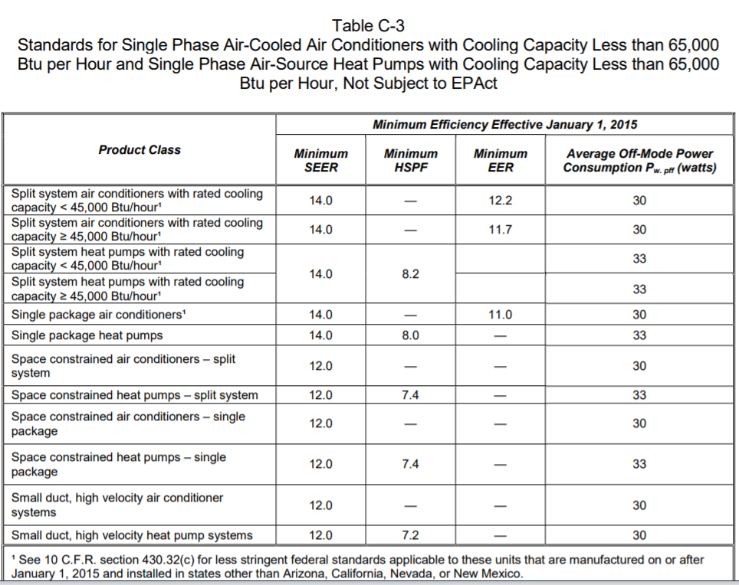
 |  |  |  |  |  |  |  |  |  |  |  |  |  |  | Air cooled, package (3 phase)
 |  |  |  |  |  |  |  |  |  |  |  |  |  |  | Air cooled, package, space constrained |  |  |  |  |  | From Table C-4 to the left >> | Air-cooled unitary AC+HP Split Sys (3Ph) | Air-cooled unitary AC+HP Pkg (3Ph)
 |  |  |  |  |  |  |  |  |  |  |  |  |  |  | Aircooled, small duct, high velocity |  |  |  |  |  |  | < 65,000 | < 65,000

 |  |  |  |  |  |  |  |  |  |  |  |  |  |  | Water source | << from Table 110.2-B |  |  |  |  | From Table 110.2-B >> | Water source | Groundwater source | Ground source | Water source water-to-water | Groundwater source water-to water | Ground source brine-to-water
 |  |  |  |  |  |  |  |  |  |  |  |  |  |  | Groundwater source | << from Table 110.2-B |  |  |  |  |  | <17,000 | < 135,000 | < 135,000 | < 135,000 | < 135,000 | < 135,000
Dry System Equipment Efficiency (Package Terminal Air Conditioners (PTAC) and Package Terminal Heat Pumps (PTHP) only) |  |  |  |  |  |  |  |  |  |  |  |  |  |  | Ground source | << from Table 110.2-B |  |  |  |  |  | =>17,000 and < 135,000
01 | 02 | 03 | 04 | 05 | 06 | 070 |  |  |  |  |  |  |  |  | Water source water-to-water | << from Table 110.2-B |  |  |  |  |  | > 135,000 and < 240,000
Name or Item Tag | Heating Mode |  |  | Cooling Mode |  |  |  |  |  |  |  |  |  |  | Groundwater source water-to water | << from Table 110.2-B
 | Rated Output Capacity (kBtu/h) | Minimum COP Required per Table 110.2-E | Design COP | Rated Output Capacity (kBtu/h) | Minimum EER Required per Table 110.2-E | Design EER |  |  |  |  |  |  |  |  | Ground source brine-to-water | << from Table 110.2-B |  |  |  |  | From Table C-3, C-4, 110.2-B or 110.2-C depending on size category>> | Air-cooled gas-engine heat pump | Air cooled, split (1 phase) | Air cooled, split (3 phase) | Air cooled, split, space constrained | Air cooled, package (1 phase) | Air cooled, package (3 phase) | Air cooled, package, space constrained | Air cooled, small duct, high velocity
 |  |  |  |  |  |  |  |  |  |  |  |  |  |  | Air-cooled gas-engine heat pump | << from Table 110.2-C |  |  |  |  |  | Grey out the cell for this selection | < 65,000 | < 65,000 | < 65,000 | < 65,000 | < 65,000 | < 65,000 | < 65,000
From Eq Table above | Comes from sizing table column 06 | From Table 110.2-E Title 20 |  | Comes from sizing table column 09 | From Table 110.2-E Title 20 |  |  |  |  |  |  |  |  |  |  |  |  |  |  |  |  |  | >= 65,000 and < 135,000 | >= 65,000 and < 135,000 | >= 65,000 and < 135,000 | >= 65,000 and < 135,000 | >= 65,000 and < 135,000 | >= 65,000 and < 135,000
 |  |  |  |  |  |  |  |  |  |  |  |  |  |  |  |  |  |  |  |  |  |  | >= 135,000 and < 240,000 | >= 135,000 and < 240,000 | >= 135,000 and < 240,000 | >= 135,000 and < 240,000 | >= 135,000 and < 240,000 | >= 135,000 and < 240,000
 |  |  |  |  |  |  |  |  |  |  |  |  |  | "PTAC/PTHP" | PTAC newly constructed or newly conditioned | << from Table 110.2-E |  |  |  |  |  |  | >= 240,000 | >= 240,000 | >= 240,000 | >= 240,000 | >= 240,000 | >= 240,000
 |  |  |  |  |  |  |  |  |  |  |  |  |  |  | PTAC replacements | << from Table 110.2-E
 |  |  |  |  |  |  |  |  |  |  |  |  |  |  | PTHP newly constructed or newly conditioned | << from Table 110.2-E
 |  |  |  |  |  |  |  |  |  |  |  |  |  |  | PTHP replacements | << from Table 110.2-E
 |  |  |  |  |  |  |  |  |  |  |  |  |  | "SPVAC/ SPVHP" | SPVAC | << from Table 110.2-E

NOTE - This table should act like the fan table with tiered levels. There can be mutiple Boiler systems and multiple boilers within each boiler system |  |  |  |  |  |  |  |  |  |  |  |  |  |  | SPVAC nonweatherized space constrained | << from Table 110.2-E
Boiler Efficiency and Controls |  |  |  |  |  |  |  |  |  |  |  |  |  |  | SPVHP | << from Table 110.2-E |  | Last updated Table C-3 on 4.3.2020 from Title 20 Section 1605.1 |  |  | From Table 110.2-E >> | SPVAC | SPVHP
Boiler System Serving: |  |  | User Input |  |  |  |  |  |  |  |  |  |  |  | SPVHP nonweatherized space constrained | << from Table 110.2-E |  |  |  |  |  | < 65,000 | < 65,000
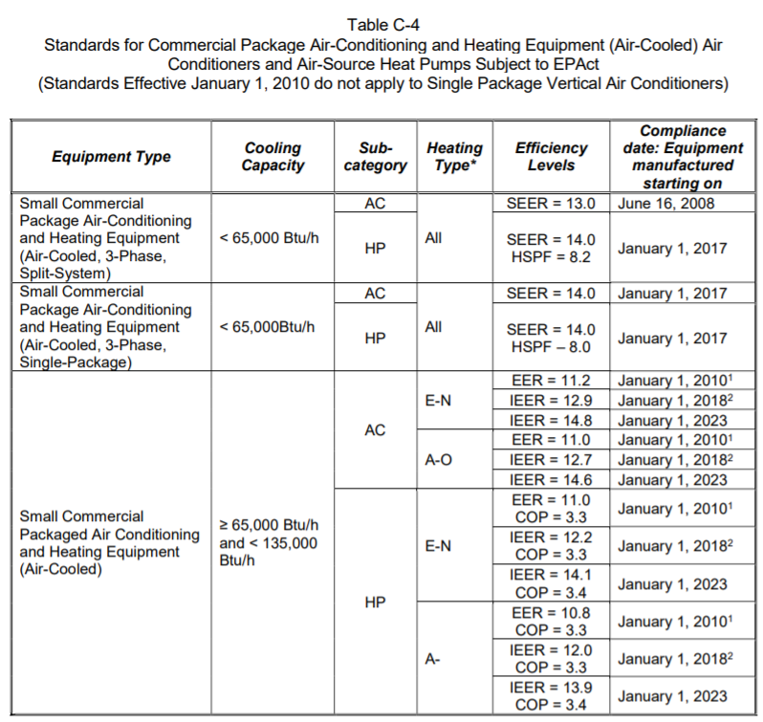
01 | 02 |  | 03 | 04 | 05 | 06 | 07 | 08 | 09 | 10 | 11 |  |  |  |  |  |  |  |  |  |  | > 65,000 and < 135,000 | > 65,000 and < 135,000
Boiler Name or Item Tag | Equipment Type1 |  | Qty | Rated Input Capacity (Btu/h)2, 3 | Rated Efficiency | Minimum Efficiency Required per §110.2 | Efficiency Unit | Boiler Controls per §140.4(k) & §170.2(c)Iiii |  | High Capacity Boiler Exceptions | HVAC Hot Water Supply Temperature §120.2(I) |  |  |  |  |  |  |  |  |  |  | > 135,000 and < 240,000 | > 135,000 and < 240,000
 |  |  |  |  |  |  |  | Isolation Valve | Temperature Reset
 | Dropdown |  |  |  |  | Use table 110.2-J column after 1/10/23 Title 20 Tables | Units listed in Table 110.2-J Title 20 Tables | Dropdown | Dropdown | Dropdown | user input
System Efficiency |  |  |  |  | Minimum System Efficiency for High Capacity Boilers per 140.4(k)8A |  |  | 90%
1 FOOTNOTES: Use NRCC-PLB to document compliance with domestic hot water and service water heating systems
2 Maximum capacity- maximum ratings per the certified unit capacity |  |  |  |  |  |  |  | Isolation Dropdown | Temperature Reset Dropdown | HCB Exceptions Dropdown
3 Includes oil-fired (residual) |  |  |  |  |  |  |  | Yes | Yes | >=25% space heating provided by on-site renewable |  |  |  |  |  |  |  |  |  |  | From Table 110.2-G >> | VRF air conditioners, air cooled
 |  |  |  |  |  |  |  | NA: only 1 boiler in plant | NA: < 500,000 Btu/h | >=25% space heating provided by site recovered energy |  |  |  |  |  |  |  |  |  |  |  | < 65,000
 | Equipment Type Dropdown |  |  |  |  |  |  |  | NA: Variable Flow Controls | >=25% space heating provided heat recovery chillers |  |  |  | "VRF" | VRF air conditioners, air cooled | << from Table 110.2-G |  |  |  |  |  | > 65,000 and < 135,000
 | Hot water: Gas-Fired |  |  |  |  |  |  |  | NA: System serves Healthcare | Installed in individual dwelling unit |  |  |  |  | VRF heat pump, air cooled | << from Table 110.2-H |  |  |  |  |  | > 135,000 and < 240,000
 | Hot water: Oil-Fired |  |  |  |  |  |  |  |  | >=50% heating served by perimeter convective/radiant ceiling panels |  |  |  |  | VRF water source | << from Table 110.2-H |  |  |  |  |  | > 240,000
 | Steam: Gas-Fired, not natural draft |  |  |  |  |  |  |  |  | Serving Multifamily Occupancy |  |  |  |  | VRF groundwater source | << from Table 110.2-H
 | Steam: Gas-Fired, natural draft |  |  |  |  |  |  |  |  | No Exceptions Apply |  |  |  |  | VRF ground source | << from Table 110.2-H |  |  |  |  | From Table 110.2-H >> | VRF heat pump, air cooled | VRF water source | VRF groundwater source | VRF ground source
 | Steam: Oil-Fired |  |  |  |  |  |  |  |  |  |  |  |  | "Furnace/ Unit Heater" | Warm-air central furnace, gas-fired | << from Table 110.2-I |  |  |  |  |  | < 65,000 | < 65,000 | < 135,000 | < 135,000
 |  |  |  |  |  |  |  |  |  |  |  |  |  | "Furnace/ Unit Heater" | Warm-air duct furnace, gas-fired | << from Table 110.2-I |  |  |  |  |  | > 65,000 and < 135,000 | > 65,000 and < 135,000 | > 135,000 | > 135,000
 |  |  |  |  |  |  |  |  |  |  |  |  |  |  | Warm-air unit heaters, gas-fired | << from Table 110.2-I |  |  |  |  |  | > 135,000 and < 240,000 | > 135,000 and < 240,000
 |  |  |  |  |  |  |  |  |  |  |  |  |  | "Furnace/ Unit Heater" | Weatherized gas central furnace w single phase supply | << from Table 4-1 to the right |  |  |  |  |  | > 240,000 | >=240,000
 |  |  |  |  |  |  |  |  |  |  |  |  |  |  | Non-weatherized gas central furnace w single phase supply | << from Table 4-1 to the right |  | Last updated Table C-4 on 4.3.2020 from Title 20 Section 1605.1.. Larger size HP are covered in T24 110.2 Tables.
 |  |  |  |  |  |  |  |  |  |  |  |  |  | "Furnace/ Unit Heater" | Wall furnace, fan | << from Table 4-2 to the right |  |  |  |  | From Table 110.2-I >> | Warm-air central furnace, gas-fired | Warm-air duct furnace, gas-fired | Warm-air unit heaters, gas-fired
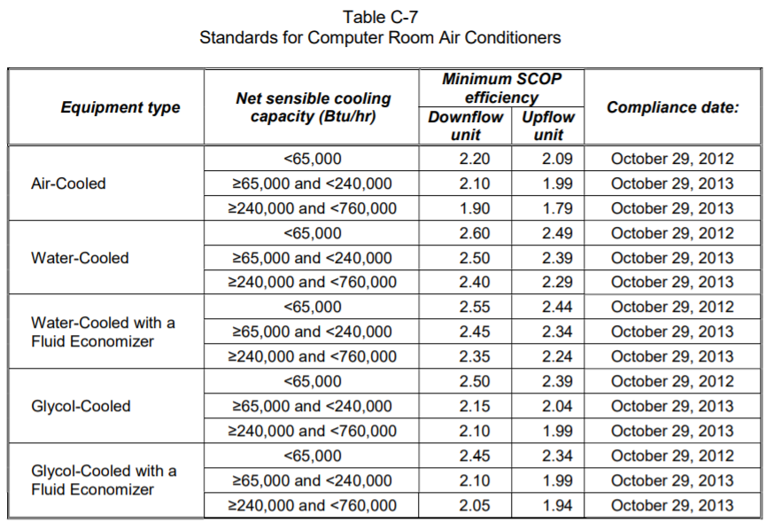
 |  |  |  |  |  |  |  |  |  |  |  |  |  |  | Wall furnace, gravity | << from Table 4-2 to the right |  |  |  |  |  | < 225,000 | Grey out the cell for this selection | Grey out the cell for this selection
 |  |  |  |  |  |  |  |  |  |  |  |  |  |  | Floor furnace | << from Table 4-2 to the right |  |  |  |  |  | > 225,000
 |  |  |  |  |  |  |  |  |  |  |  |  |  |  | Room Heater | << from Table 4-2 to the right
 |  |  |  |  |  |  |  |  |  |  |  |  |  | "Computer Rm AC (not ceiling mounted) | CRAC, air-cooled, downflow | << from Table C-7 to the right |  |  |  |  | From Title 20 Table E-6 to the left >> | Weatherized gas central furnace w single phase supply | Non-weatherized gas central furnace w single phase supply
 |  |  |  |  |  |  |  |  |  |  |  |  |  |  | CRAC, air-cooled, upflow | << from Table C-7 to the right |  |  |  |  |  | < 225,000 | < 225,000
 |  |  |  |  |  |  |  |  |  |  |  |  |  |  | CRAC, water-cooled, downflow | << from Table C-7 to the right
 |  |  |  |  |  |  |  |  |  |  |  |  |  |  | CRAC, water-cooled, upflow | << from Table C-7 to the right |  |  |  |  | From Table E-2 to the left >> | Wall furnace, fan | Wall furnace, gravity | Floor furnace | Room Heater
 |  |  |  |  |  |  |  |  |  |  |  |  |  |  | CRAC, water-cooled w econ, downflow | << from Table C-7 to the right |  |  |  |  |  | < 42,000 | < 27,000 | < 37,000 | < 20,000
 |  |  |  |  |  |  |  |  |  |  |  |  |  |  | CRAC, water-cooled w econ,upflow | << from Table C-7 to the right |  |  |  |  |  | > 42,000 | > 27,000 and < 46,000 | > 37,000 | > 20,000 and < 27,000
 |  |  |  |  |  |  |  |  |  |  |  |  |  |  | CRAC, Glycol-cooled, downflow | << from Table C-7 to the right |  |  |  |  |  |  | > 46,000 |  | > 27,000 and < 46,000
 |  |  |  |  |  |  |  |  |  |  |  |  |  |  | CRAC, Glycol-cooled, upflow | << from Table C-7 to the right |  |  |  |  |  |  |  |  | > 46,000
 |  |  |  |  |  |  |  |  |  |  |  |  |  |  | CRAC, Glycol-cooled w econ, downflow | << from Table C-7 to the right | Last updated Table C-7 on 4.3.2020 from Title 20 Section 1605.1
 |  |  |  |  |  |  |  |  |  |  |  |  |  |  | CRAC, Glycol-cooled w econ, upflow | << from Table C-7 to the right |  |  |  |  | From Table C-7 to the left >> | CRAC, air-cooled, downflow | CRAC, air-cooled, upflow | CRAC, water-cooled, downflow | CRAC, water-cooled, upflow | CRAC, water-cooled w econ, downflow | CRAC, water-cooled w econ, upflow | CRAC, Glycol-cooled, downflow | CRAC, Glycol-cooled, upflow | CRAC, Glycol-cooled w econ, downflow | CRAC, Glycol-cooled w econ, upflow
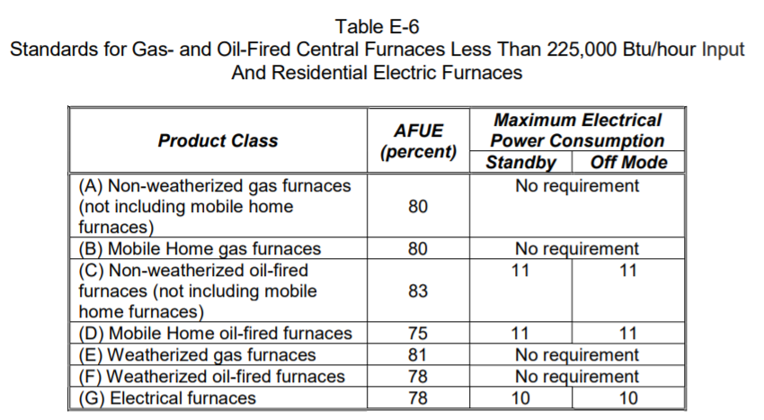
 |  |  |  |  |  |  |  |  |  |  |  |  |  | Room AC/HP | Room AC, louvered sides | << from Table B-2 to the right |  |  |  |  |  | < 65,000 | < 65,000 | < 65,000 | < 65,000 | < 65,000 | < 65,000 | < 65,000 | < 65,000 | < 65,000 | < 65,000
 |  |  |  |  |  |  |  |  |  |  |  |  |  |  | Room AC, no louvers | << from Table B-2 to the right |  |  |  |  |  | > 65,000 and < 240,000 | > 65,000 and < 240,000 | > 65,000 and < 240,000 | > 65,000 and < 240,000 | > 65,000 and < 240,000 | > 65,000 and < 240,000 | > 65,000 and < 240,000 | > 65,000 and < 240,000 | > 65,000 and < 240,000 | > 65,000 and < 240,000
 |  |  |  |  |  |  |  |  |  |  |  |  |  |  | Room AC, casement only | << from Table B-2 to the right |  |  |  |  |  | > 240,000 and < 760,000 | > 240,000 and < 760,000 | > 240,000 and < 760,000 | > 240,000 and < 760,000 | > 240,000 and < 760,000 | > 240,000 and < 760,000 | > 240,000 and < 760,000 | > 240,000 and < 760,000 | > 240,000 and < 760,000 | > 240,000 and < 760,000
 |  |  |  |  |  |  |  |  |  |  |  |  |  |  | Slider Room AC, casement | << from Table B-2 to the right
 |  |  |  |  |  |  |  |  |  |  |  |  |  |  | Room AC Heat Pump, louvered sides | << from Table B-2 to the right
 |  |  |  |  |  |  |  |  |  |  |  |  |  |  | Room AC Heat Pump, no louvers | << from Table B-2 to the right
 |  |  |  |  |  |  |  |  |  |  |  |  |  | Furnace + AC | AC, air cooled, split + warm-air central furnace, gas-fired
 |  |  |  |  |  |  |  |  |  |  |  |  |  |  | AC, air cooled, split + weatherized gas central furnace
 |  |  |  |  |  |  |  |  |  |  |  |  |  |  | AC, air cooled, single pkg + weatherized gas central furnace, 1 phase supply |  |  |  |  |  | From Table 110.2-A & T20 C-3 (cooling) & 110.2-I & Table E-6 to the left (heating) >>> | AC, air cooled, split + Warm-air central furnace, gas-fired | AC, air cooled, split+ weatherized gas central furnace w single phase supply |  | From Table 110.2-A & T20 C-3 (cooling) & 110.2-I & Table E-6 to the left (heating) >>> | AC, air cooled, single package + Weatherized gas central furnace w single phase supply | AC, air cooled, single package + Warm-air central furnace, gas-fired
 |  |  |  |  |  |  |  |  |  |  |  |  |  |  | AC, air cooled, single pkg + warm-air central furnace, gas-fired |  |  |  |  |  |  | <45kBtuh cooling/ <225kBtuh heating | <45kBtuh cooling/ <225kBtuh heating
 |  |  |  |  |  |  |  |  |  |  |  |  |  | Unitary AC/ Cond. (no elec. resistance) | AC, water cooled |  |  |  |  |  |  | <45kBtuh cooling/ >225kBtuh heating | <45kBtuh cooling/ >225kBtuh heating |  |  | <65kBtuh cooling/ <225kBtuh heating | <65kBtuh cooling/ <225kBtuh heating
Chiller & Air To Water Heat Pump Efficiency and Controls |  |  |  |  |  |  |  |  |  |  |  |  |  |  | AC, evaporatively cooled |  |  |  |  |  |  | >45kBtuh cooling/ <225kBtuh heating | >45kBtuh cooling/ <225kBtuh heating |  |  | <65kBtuh cooling/ >225kBtuh heating | <65kBtuh cooling/ >225kBtuh heating
01 |  | 02 | 03 | 04 | 05 | 06 |  | 07 | 08 | 09 | 10 | 11 | 12
Name or Item Tag |  | Equipment Type | Qty | Size Category1 (Tons) | Leaving Hot Water Temperature | Chiller Efficiency "Path B" Exception per §140.4(i) & §170.2(c)g |  | Rated Efficiencies | Efficiencies Required per §110.22 | Efficiency Unit | Controls per §140.4(k) & §170.2(c)I |  | Serving |  |  |  |  |  |  |  |  | >45kBtuh cooling/ >225kBtuh heating | >45kBtuh cooling/ >225kBtuh heating |  |  | >65kBtuh cooling/ <225kBtuh heating | >65kBtuh cooling/ <225kBtuh heating
 |  |  |  |  |  |  |  |  |  |  | Isolation Valve | Temperature Reset |  |  | Condensing units, air cooled |  |  |  |  |  |  | >65kBtuh cooling/ <225kBtuh heating | >65kBtuh cooling/ <225kBtuh heating |  |  | >65kBtuh cooling/ >225kBtuh heating | >65kBtuh cooling/ >225kBtuh heating
 |  | Dropdown to match Table 110.2-D |  | Dropdown | Dropdown | Dropdown |  |  | Ben, "Path B" value from Table 110.2-D or 110.2-NI & J | Ben, "Path B" units from Table 110.2-D or 110.2-NI & J | Dropdown | Dropdown |  |  | Condensing units, water cooled |  |  |  |  |  |  | >65kBtuh cooling/ >225kBtuh heating | >65kBtuh cooling/ >225kBtuh heating |  |  | >135kBtuh cooling/ <225kBtuh heating | >135kBtuh cooling/ <225kBtuh heating
 |  |  |  |  |  |  |  |  | Ben, "Path B" value from Table 110.2-D or 110.2-NI & J | Ben, "Path B" units from Table 110.2-D or 110.2-NI & J
 |  |  |  |  |  |  |  |  | Table 110.2-NI & J | Table 110.2-NI & J
 |  |  |  |  |  |  |  |  | Table 110.2-NI & J | Table 110.2-NI & J |  |  |  |  | Condensing units, evaporatively cooled |  | Last updated Table E-6 on 4.3.2020 from Title 20 Section 1605.1 |  |  |  |  | >135kBtuh cooling/ <225kBtuh heating | >135kBtuh cooling/ <225kBtuh heating |  |  | >135kBtuh cooling/ >225kBtuh heating | >135kBtuh cooling/ >225kBtuh heating
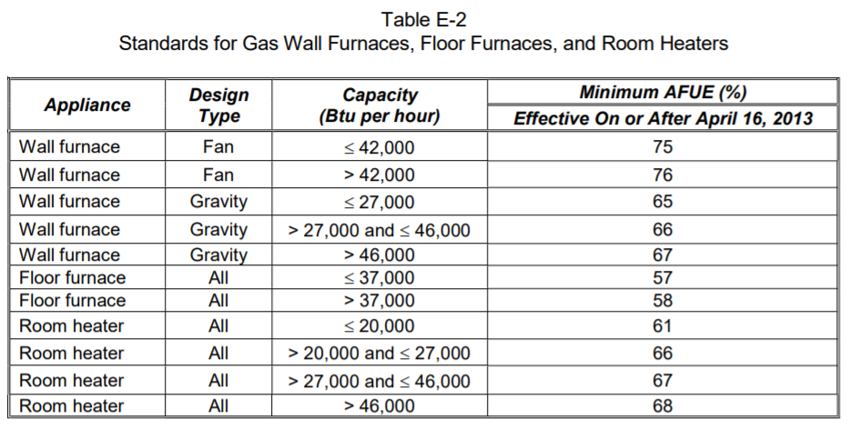
 |  |  |  |  |  |  |  |  |  | Reset | Add Row | Remove Last |  |  | AC, air cooled, split (1 phase) |  |  |  |  |  |  | >135kBtuh cooling/ >225kBtuh heating | >135kBtuh cooling/ >225kBtuh heating |  |  | >240kBtuh cooling/ <225kBtuh heating | >240kBtuh cooling/ <225kBtuh heating
1 FOOTNOTES: Chilled water plants shall not have more than 300 tons provided by air-cooled chillers. Exceptions may apply per §140.4(j). |  |  |  |  |  |  |  |  |  |  |  |  |  |  | AC, air cooled, split (3 phase) |  |  |  |  |  |  | >240kBtuh cooling/ <225kBtuh heating | >240kBtuh cooling/ <225kBtuh heating |  |  | >240kBtuh cooling/ >225kBtuh heating | >240kBtuh cooling/ >225kBtuh heating
2 Efficiency required is a minimum when "EER" or "COP" is the Efficiency Unit in column 08. It is also a minimum when "IPLV" is the unit for air-cooled, absorption, and water cooled gas engine chillers. Efficiency required is a maximum when "kW/ton" is the Efficiency Unit and when "IPLV" is the unit for water cooled electrically operated chillers. |  |  |  |  |  |  |  |  |  |  | Isolation Dropdown | Temp Reset Dropdown |  |  | AC, air cooled, split, space constrained |  |  |  |  |  |  | >240kBtuh cooling/ >225kBtuh heating | >240kBtuh cooling/ >225kBtuh heating |  |  | >760kBtuh cooling/ <225kBtuh heating | >760kBtuh cooling/ <225kBtuh heating
 |  | Equipment Type Dropdown |  | Size Category Dropdown | Leaving Hot Water Temperature | Efficiency Exception Dropdown |  |  |  |  | Yes | Yes |  |  | AC, air cooled, package (1 phase) |  |  |  |  |  |  | >760kBtuh cooling/ <225kBtuh heating | >760kBtuh cooling/ <225kBtuh heating |  |  | >760kBtuh cooling/ >225kBtuh heating | >760kBtuh cooling/ >225kBtuh heating
 |  | Air Cooled: Condenser elec. operated |  | < 75 | Low - 105F | No exception taken |  |  |  |  | NA: only 1 chiller in plant | NA: ≤ 500 kBtu/hr (41.67 tons) |  |  | AC, air cooled, package (3 phase) |  |  |  |  |  |  | >760kBtuh cooling/ >225kBtuh heating | >760kBtuh cooling/ >225kBtuh heating
 |  | Air Cooled: w/o condenser elec. operated |  | ≥ 75 and < 150 | Medium - 120F | 1. Electrical service > 600V |  |  |  |  | NA: chillers in series | NA: Variable Flow Controls |  |  | AC, air cooled, package, space constrained
 |  | Water Cooled: Reciprocating |  | ≥ 150 and < 300 | High - 140F | 2. Heat recovery w/ design capacity > 40% of the design chiller cooling capacity |  |  |  |  |  | NA: System serves Healthcare |  |  | AC, air cooled, small duct, high velocity
 |  | Water Cooled: Positive displacement |  | ≥ 300 and < 400 | Boost - 140F | 3. Charging energy storage systems w/ charging temperature < 40oF |  |  |  |  |  |  |  | Unitary heat pumps (no elec. resistance) | Air cooled, split (1 phase)
 |  | Water Cooled: Centrifugal |  | ≥ 400 and < 600 |  | 4. 4th (or more) chiller in this building |  |  |  |  |  |  |  |  | Air cooled, split (3 phase)
 |  | Air Cooled: Absorption, single effect |  | ≥ 600 |  | Water -Cooled Centrifugal Chilling Package per Exception 1 to §110.2(a) |  |  |  |  |  |  |  |  | Air cooled, split, space constrained |  | Last updated Table E-2 on 4.3.2020 from Title 20 Section 1605.1 |  |  |  | From Table B-2 >>> | Room AC, louvered sides | Room AC, no louvers | Room AC, casement only | Room AC, slider & casement | Room AC Heat Pump, louvered sides | Room AC Heat Pump, no louvers
 |  | Water Cooled: Absorption, single effect |  |  |  |  |  |  |  |  |  |  |  |  | Air cooled, package (1 phase) |  |  |  |  |  |  | < 8,000 | < 8,000 | Grey out the cell for this selection | Grey out the cell for this selection | < 20,000 | < 14,000
 |  | Absorption: Double effect, indirect-fired |  |  |  |  |  |  |  |  |  |  |  |  | Air cooled, package (3 phase) |  |  |  |  |  |  | >= 8,000 and < 14,000 | >= 8,000 and < 11,000 |  |  | >= 20,000 | >= 14,000
 |  | Absorption: Double effect, direct-fired |  |  |  |  |  |  |  |  |  |  |  |  | Air cooled, package, space constrained |  |  |  |  |  |  | >= 14,000 and < 20,000 | >= 11,000 and < 14,000
 |  | Water Cooled: Gas engine |  |  |  |  |  |  |  |  |  |  |  |  | Aircooled, small duct, high velocity |  |  |  |  |  |  | >= 20,000 and < 28,000 | >= 14,000 and < 20,000
 |  | Heat Recovery Chiller - Positive Displacement |  |  |  |  |  |  |  |  |  |  |  |  | Water source |  |  |  |  |  |  | >= 28,000 | >= 20,000
 |  | Heat Recovery Chiller - Positive Centrifugal
 |  | Air Source Heat Pump

 |  |  |  |  |  |  |  |  |  |  |  |  |  |  | Groundwater source
This table is brand new in 2022 |  |  |  |  |  |  |  |  |  |  |  |  |  |  | Ground source
 |  |  |  |  |  |  |  |  |  |  |  |  |  |  | Water source water-to-water |  |  |  |  |  | From Table 110.2-A >> | AC, water cooled | AC, evaporatively cooled | Condensing Units, air cooled | Condensing Units, water cooled | Condensing Units, evaporatively cooled
DX-DOAS Efficiency |  |  |  |  |  |  |  |  |  |  |  |  |  |  | Groundwater source water-to water |  |  |  |  |  |  | > 65,000 and < 135,000 | > 65,000 and < 135,000 | > 135,000 | > 135,000 | > 135,000
01 |  | 02 | 03 | 04 | 05 |  | 06 | 07 | 08 |  |  |  |  |  | Ground source brine-to-water |  |  |  |  |  |  | > 135,000 and < 240,000 | > 135,000 and < 240,000
Name or Item Tag |  | Equipment Type | Qty | Energy Recovery | Rating Condition |  | Rated Efficiencies | Efficiency Unit | Minimum Efficiency |  |  |  |  |  | Air-cooled gas-engine heat pump |  |  |  |  |  |  | > 240,000 and < 760,000 | > 240,000 and < 760,000
 |  |  |  |  |  |  |  |  |  |  |  |  |  | DOAS | DOAS |  |  |  |  |  |  | > 760,000 | > 760,000
From sizing table above |  | Dropdown to match Table 110.2-H |  | Dropdown | Dropdown |  |  | ISMRE |  |  |  |  |  |  | DX-DOAS
 |  |  |  |  |  |  |  | ISCOP |  |  |  |  |  | Computer Rm AC Ceiling Mounted
 |  |  |  |  |  |  |  |  |  |  |  |  |  |  |  |  |  |  |  |  | From Tables C-3, C-4 or 110.2-A, depending on size category >> | AC, air cooled, split (1 phase) | AC, air cooled, split (3 phase) | AC, air cooled, split, space constrained | AC, air cooled, package (1 phase) | AC, air cooled, package (3 phase) | AC, air cooled, package, space constrained | AC, air cooled, small duct, high velocity
 |  |  |  |  |  |  |  |  |  |  |  |  |  |  |  |  |  |  |  |  |  | < 45,000 | < 65,000 | < 65,000 | < 65,000 | < 65,000 | < 65,000 | < 65,000
 |  |  |  |  |  |  |  |  |  |  |  |  |  |  |  |  |  |  |  |  |  | >= 45,000 and < 65,000 | >= 65,000 and < 135,000 | >= 65,000 and < 135,000 | >= 65,000 and < 135,000 | >= 65,000 and < 135,000 | >= 65,000 and < 135,000
 |  |  |  |  |  |  |  |  |  |  |  |  |  |  |  |  |  |  |  |  |  | >= 65,000 and < 135,000 | >= 135,000 and < 240,000 | >= 135,000 and < 240,000 | >= 135,000 and < 240,000 | >= 135,000 and < 240,000 | >= 135,000 and < 240,000
 |  | Equipment Type Dropdown |  | Energy Recovery Dropdown | Rating Condition Dropdown |  |  |  |  |  |  |  |  |  |  |  |  |  |  |  |  | >= 135,000 and < 240,000 | >= 240,000 and < 760,000 | >= 240,000 and < 760,000 | >= 240,000 and < 760,000 | >= 240,000 and < 760,000 | >= 240,000 and < 760,000
 |  | Air Cooled |  | Yes | Cooling Tower Condenser Water |  |  |  |  |  |  |  |  |  |  |  |  |  |  |  |  | >= 240,000 and < 760,000 | >= 760,000 | >= 760,000 | >= 760,000 | >= 760,000 | >= 760,000
 |  | Air Source Heat Pump |  | No | Chilled Water |  |  |  |  |  |  |  |  |  |  |  |  |  |  |  |  | >= 760,000
 |  | Water Cooled
 |  | Water Source Heat Pump |  |  | Rating Condition Dropdown |  |  |  |  |  |  |  |  |  |  |  |  |  |  |  |  | Water source | Groundwater source | Ground source | Water source water-to-water | Groundwater source water-to water | Ground source brine-to-water
 |  |  |  |  | Ground Source Closed & Open Loop |  |  |  |  |  |  |  |  |  |  |  |  |  |  |  |  | > 65,000 and < 135,000 | < 135,000 | < 135,000 | < 135,000 | < 135,000 | < 135,000
 |  |  |  |  | Ground Water Source |  |  |  |  |  |  |  |  |  |  |  |  |  |  |  |  | > 135,000 and < 240,000
 |  |  |  |  | Water Source
This table is brand new in 2022
 |  |  |  |  |  |  |  |  |  |  |  |  |  |  |  |  |  |  |  |  |  | Air-cooled gas-engine heat pump | Air cooled, split (1 phase) | Air cooled, split (3 phase) | Air cooled, split, space constrained | Air cooled, package (1 phase) | Air cooled, package (3 phase) | Air cooled, package, space constrained | Air cooled, small duct, high velocity
 |  |  |  |  |  |  |  |  |  |  |  |  |  |  |  |  |  |  |  |  |  | Grey out the cell for this selection | < 65,000 | < 65,000 | < 65,000 | < 65,000 | < 65,000 | < 65,000 | < 65,000
Dual Fuel Heat Pump |  |  |  |  |  |  |  |  |  |  |  |  |  |  |  |  |  |  |  |  |  |  | >= 65,000 and < 135,000 | >= 65,000 and < 135,000 | >= 65,000 and < 135,000 | >= 65,000 and < 135,000 | >= 65,000 and < 135,000 | >= 65,000 and < 135,000
01 | 02 | 03 | 04 | 05 | 06 | 07 | 08 | 09 | 10 | 11 |  |  |  |  |  |  |  |  |  |  |  |  | >= 135,000 and < 240,000 | >= 135,000 and < 240,000 | >= 135,000 and < 240,000 | >= 135,000 and < 240,000 | >= 135,000 and < 240,000 | >= 135,000 and < 240,000
Name or Item Tag | Equipment Category | Equipment Type | Size Category (Btu/h) | Heating Mode |  |  |  | Cooling Mode |  |  |  |  |  |  |  |  |  |  |  |  |  |  | >= 240,000 | >= 240,000 | >= 240,000 | >= 240,000 | >= 240,000 | >= 240,000
 |  |  |  | Rating Condition (oF) | Efficiency Unit | Minimum Efficiency Required per Tables 110.2/ Title 20 | Design Efficiency | Efficiency Unit | Minimum Efficiency Required per Tables 110.2/ Title 20 | Design Efficiency
From Eq Table above | Dropdown | Dropdown | Dropdown | Dropdown | Lookup based on heat pump system type selected | Always appropriate HP values |  | Unit from efficiency tables auto populates here based on size category (col 02) | Values from Tables 110.2-A, B, C, E, HG, I, J & T20 Tables |  |  |  |  |  |  |  |  |  |  |  |  | Air Cooled with free air discharge condenser, ducted | Air Cooled with free air discharge condenser, nonducted | Air Cooled with free air discharge condenser with fluid economizer, ducted | Air Cooled with free air discharge condenser with fluid economizer, nonducted | Air cooled with ducted condenser, ducted | Air cooled with ducted condenser, nonducted | Air cooled with fluid economizer and ducted condenser, ducted | Air cooled with fluid economizer and ducted condenser, nonducted
 |  |  |  |  |  |  |  | Unit from efficiency tables auto populates here based on size category (col 02) | Values from Tables 110.2-A, B, C, E, HG, I, J & T20 Tables |  |  |  |  |  |  |  |  |  |  |  |  | <29,000 Btu/h | <29,000 Btu/h | <29,000 Btu/h | <29,000 Btu/h | <29,000 Btu/h | <29,000 Btu/h | <29,000 Btu/h | <29,000 Btu/h
 | Always = Furnace/Unit Heater | Dropdown | Dropdown | Always Blank/Gray | Dropdown | Always appropriate furnace value |  | Always Blank/Gray | Always Blank/Gray | Always Blank/Gray |  |  |  |  |  |  |  |  |  |  |  | >29,000 Btu/h and < 65,000 Btu/h | >29,000 Btu/h and < 65,000 Btu/h | >29,000 Btu/h and < 65,000 Btu/h | >29,000 Btu/h and < 65,000 Btu/h | >29,000 Btu/h and < 65,000 Btu/h | >29,000 Btu/h and < 65,000 Btu/h | >29,000 Btu/h and < 65,000 Btu/h | >29,000 Btu/h and < 65,000 Btu/h
 |  |  |  |  |  |  |  |  |  |  |  |  |  |  |  |  |  |  |  |  |  | > 65,000 Btu/h | > 65,000 Btu/h | > 65,000 Btu/h | > 65,000 Btu/h | > 65,000 Btu/h | > 65,000 Btu/h | > 65,000 Btu/h | > 65,000 Btu/h

 | HP Equipment Category Dropdown | Equipment Type Dropdown | Size Category Dropdown | Rating Condition Dropdown | Unit Dropdown |  |  |  |  |  |  |  |  |  |  |  |  |  |  |  |  | Water Cooled, Ducted | Water Cooled, nonducted | Water cooled with fluid economizer, ducted | Water cooled with fluid economizer, nonducted | Glycol cooled, ducted | Glycol cooled, nonducted | Glycol cooled with fluid economizer, ducted | Glycol cooled with fluid economizer, nonducted
 | Unitary Heat Pump | Provide the appropriate equipment type dropdowns based on the equipment category chosen in 02. | See tables in column AF of this tab for custom drop downs. | See choices in notes in column AF rows 51 & 76 of this tab. | COP |  |  |  |  |  |  |  |  |  |  |  |  |  |  |  |  | <29,000 Btu/h | <29,000 Btu/h | <29,000 Btu/h | <29,000 Btu/h | <29,000 Btu/h | <29,000 Btu/h | <29,000 Btu/h | <29,000 Btu/h
 | Unitary Heat Pump (no elec resistance) |  |  |  | AFUE |  |  |  |  |  |  |  |  |  |  |  |  |  |  |  |  | >29,000 Btu/h and < 65,000 Btu/h | >29,000 Btu/h and < 65,000 Btu/h | >29,000 Btu/h and < 65,000 Btu/h | >29,000 Btu/h and < 65,000 Btu/h | >29,000 Btu/h and < 65,000 Btu/h | >29,000 Btu/h and < 65,000 Btu/h | >29,000 Btu/h and < 65,000 Btu/h | >29,000 Btu/h and < 65,000 Btu/h
 |  |  |  |  | Et |  |  |  |  |  |  |  |  |  |  |  |  |  |  |  |  | > 65,000 Btu/h | > 65,000 Btu/h | > 65,000 Btu/h | > 65,000 Btu/h | > 65,000 Btu/h | > 65,000 Btu/h | > 65,000 Btu/h | > 65,000 Btu/h
 |  |  |  |  | Ec
 |  |  |  |  | HSPF

Heat Rejection Equipment (Cooling Towers, Condensers, Waterside Economizers) Efficiency and Controls
01 | 02 | 03 | 04 | 05 | 06 | 07 | 08 | 09 | 10 | 11 | 12
Name or Item Tag | Equipment Type1 | Qty | Rating Condition (oF) | Rated Performance | Minimum Required Performance per Table 110.2-E, §140.4(h)5 & §170.2(c)fv | Performance Unit | Fan Speed Control §140.4(h)1 | Tower Flow Turndown §140.4(h)2 | Fan Control in Multiple Cell Equipment §140.4(h)4 | Economizer Controls §140.4(e) | Condenser Water Temp Reset Controls

 | Dropdown to match Table 110.2-FE |  | Dropdown |  | Value from table |  | Dropdown | Dropdown | Dropdown | Dropdown | Dropdown
1 FOOTNOTES: Centrifugal fan open-circuit towers are not allowed for rated capacities > 900 gpm at 95oF condenser water return, 85oF condenser water supply and 75oF outdoor wet-bulb temperature. Exceptions may apply per §140.4(h)4. |  |  |  |  |  |  |  |  |  |  |  |  |  | Link to 2022 Table 110.2-F
 | Equipment Type Dropdown |  |  |  |  |  | Fan Speed Control Dropdown | Tower Flow Turndown Dropdown | Fan Control Dropdown | Economizer Control Dropdown | Cond. Water Temp Reset Controls Dropdown |  |  | https://energycodeace.com/site/custom/public/reference-ace-2022/Documents/section1102mandatoryrequirementsforspaceconditioningequipment.htm#table1102fperformancerequirementsforheatrejectionequipment.htm
 | Axial fan open-circuit tower, CW loop in CHW plant >= 900gpm |  | Rating Condition Dropdown |  |  |  | Yes | Yes | Yes | Designed per §140.4(e) | Yes
 | Replacement axial fan open-circuit tower, CW loop in CHW plant >= 900gpm |  | 165oF entering gas temp 105oF condensing temp 75oF entering air wb" |  |  |  | NA: Fan motor < 7.5hp (5.6kW) | NA: Single condenser water pump | NA: Not multiple cell |  | No
 | Propeller/ axial fan open-circuit cooling tower |  | 140oF entering gas temp 96.3oF condensing temp 75oF entering air wb" |  |  |  | NA: Integral to other equip. | NA: Not open-circuit tower | NA: No variable speed drives
 | Propeller/ axial fan closed-circuit cooling tower |  |  |  |  |  | NA: Cond. fans serving > 1 refrigerant circuits
 | Centrifugal fan open-circuit cooling tower |  |  |  |  |  | NA: Cond. fans serving flooded cond.
 | Centrifugal fan closed-circuit cooling tower |  |  |  |  |  | NA: Mult. fans & lead fans meet req.
 | Propeller/ axial fan evaporative condensers
 | Centrifugal fan evaporative condensers
 | Air cooled condensers
 | Waterside Economizer

Electric Resistance Heating
01 |  | 02 | 03 | 04
Name or Item Tag |  | Equipment Description | Output Capacity (kW) | Applicable Exception to §140.4(g) Allowing Electric Resistance Heating
 |  | dropdown |  | dropdown

 |  |  |  | Elec Resistance Dropdown
 |  | Dropdown |  | Exception 1: Supplement to a heating system in which at least 60% of the annual energy requirement is supplied by site-solar or recovered energy.
 |  | Baseboard |  | Exception 2: Supplement to a heat pump heating system and the heating capacity of the heat pump is more than 75% of the design heating load calculated in accordance with §140.4.
 |  | Under-mat |  | Exception 3: Total capacity of electric-resistance heating systems serving the entire building is less than 10% of the total design output capacity of all heating equipment serving the entire building.
 |  | Other |  | Exception 4: Total capacity of electric-resistance heating systems serving the entire building, excluding those allowed under Exception 2, is no more than 3 kW.
 |  |  |  | NA: Alteration, replacement of existing electric resistance heating system.
 |  |  |  | Exempt: Supplemental electric resistance heating systems complying with Section 140.4(a)3C

Mechanical Heat Recovery
01 | 02 | 03 | 04 | 05 | 06 | 07
Name or Item Tag | Coincident Peak Cooling Load of All High Load Spaces | Design Capacity of All Mechanical Cooling Systems2 | Design Capacity of All Service Water Heating Systems1 | Design Capacity for all space heating systems | Simultaneous Mechanical Heat Recovery | Heat Recovery Systems Shall: - Transferring the lesser of the following from spaces in cooling to spaces in heating: - 25% of thje peak heat rejection of the cooling system - 25% of design capacity of all service water heating systems + design capacity of all space heating systems - Heat or preheat the service water heating to the smaller of: - 30% of the peak heat rejection of the cooling system; or - 30% of design capacity of all service water heating systems
 | user input | user input | user input | user input
Footnote 1: Excluding systems expected to operate less than 5 hours per week
Footnote 2: If the design includes capacity for future cooling systems, then assume 20% of future systems serve high load spaces

J. Ventilation (NRCC)
 |  | User input |  |  | auto calculated |  |  |  | From another Table |  |  | From look up table

J. VENTILATION AND INDOOR AIR QUALITY
[d:OnlyUI] Table Instructions: Complete the following Table to demonstrate compliance with mandatory and prescriptive ventilation requirements in §120.1, §120.2(e)3B, 140.4(p) and 140.4(q) for all nonresidential and hotel/motel and 160.2, 160.3(a)3D, 170.2(a)4N, 170.2(a)4O for high-rise residential occupancies. For alterations, only ventilation systems being altered within the scope of the permit application need to be documented in this table. In lieu of this table, the required outdoor ventilation rates and airflows may be shown on the plans or the calculations can be presented in a spreadsheet. [d:/OnlyUI] [d:OnlyRG] This table is used to demonstrate compliance with mandatory ventilation requirements in §120.1 and §120.2(e)3B for all nonresidential, high-rise residential and hotel/motel occupancies. For alterations, only ventilation systems being altered within the scope of the permit application need to be documented in this table. In lieu of this table, the required outdoor ventilation rates and airflows may be shown on the plans or the calculations can be presented in a spreadsheet. [d:/OnlyRG]
01 | ¨ | Check the box if the project is showing ventilation calculations on the plans, or attaching the calculations instead of completing this table.
02 | ¨ | Check this box if the project includes Nonresidenital, Hotel/Motel spaces or Multifamily Common Use Spaces |  |  |  |  | Check this box if the project includes new or altered multifamily dwelling units |  |  |  | ¨
03 | ¨ | Check the box if the project is using natural ventilation in any nonresidential or hotel/motel spaces to meet required ventilation rates per §120.1(c)2.
Nonresidential Hotel/ Motel and Multifamily Common Use Ventilation Systems
04 |  |  | 05 |  |  |  | 06 |  |  | 07
System Name: |  |  | System Design OA CFM Air Flow1 |  |  |  | System Design Transfer Air CFM |  |  | Air Filtration per §120.1(c), §141.0(b)2, 160.2(c)1 and 2
 |  |  |  |  |  |  |  |  |  | See dropdown
08 | 09 |  | 10 |  | 11 | 12 | 13 | 14 | 15 | 16
Space Name or Item Tag | Mechanical Ventilation Required per §120.1(c)33 & §160.2(c)3 |  |  |  |  |  |  | Exh. Vent. per §120.1(c)4 & §160.2(c)4 |  | DCV or Occupant Sensor Controls per §120.1(d)3, §120.1(d)5 & §120.2(e)37, §160.2(c)5d, §160.2(c)5e & §160.2(c)diii
 | Occupancy Type4 |  | Conditioned Floor Area (ft2) |  | # of showerheads/ toilets | # of people5 | Required Min OA6 CFM | Required Minimum CFM | Provided per Design CFM
 | See dropdown |  |  |  |  |  |  |  |  | DCV | See dropdown
 |  |  |  |  |  |  |  |  |  | Occ Sensor | See dropdown
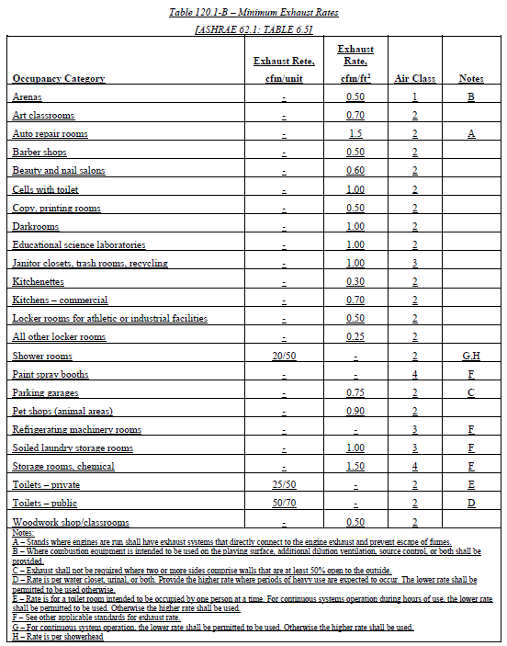
 |  |  |  |  |  |  |  |  | Reset | Add Occupancy Type | Remove Last
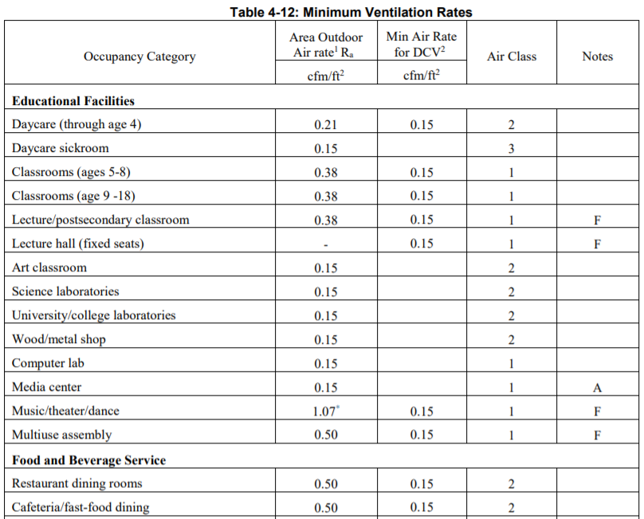
17 | Total System Required Min OA CFM |  |  |  |  |  | sum of col 13 for all spaces in system | 18 | Ventilation for this System Complies? |  | "Yes"/ "No"
1 FOOTNOTES: System CFM should include both mechanical and natural ventilation for the zone/system. |  |  |  |  |  |  |  |  | Reset | Add System | Remove Last
2 Air filtration requirements apply to the following three system types per §120.1(c)1A: space conditioning systems utilizing ducts to supply air to occupiable space; supply-only ventilation systems providing outside air to occupiable space; supply side of balanced ventilation systems including heat recovery and energy recovery ventilation systems providing outside air to occupiable space.
3 Uniform Mechanical Code may have more stringent ventilation requirements; the most stringent code requirement takes precedence.
4 See Standards Tables 120.1-A and 120.1-B.
5 For lecture halls with fixed seating, the expected number of occupants shall be determined in accordance with the California Building Code.
6Upon detection of sensor failure, the system shall provide a signal which resets to supply the minimum quantity of outside air to levels required by Section 120.1(c)3.
7§120.2(e)3 requires systems serving rooms that are required by §130.1(c) to have lighting occupancy sensing controls to also have occupancy sensing zone controls for ventilation. Examples of spaces which require lighting occupancy sensors include offices 250ft2 or smaller, multipurpose rooms less than 1,000ft2, classrooms, conference rooms, restrooms, aisles and open areas in warehouses, library book stack aisles, corridors, stairwells, parking garages, and loading and unloading zones, unless excepted by §130.1(c).
8 Air classification and recirculation limitations of air shall be based on the air classification as listed in Table 120.1-A or Table 120.1-C, and in accordance with the requirements of Sections 120.1(g)1 through 4

Multifamily Dwelling Unit Ventilation Systems
¨ | Check the box if the system is using continuous supply ventilation to meet the ventiliation requirements per §160.2(b)2Aivb12
19 | 20 | 21 | 22 | 23 | 24 | 25 | 26 | 26 | 27 |  | 28 |  | 29
Space Name or Item Tag | System Type | Mechanical Ventilation Required per §120.1(b)2 & §160.2(b)2 |  |  |  |  | Ventilation per Design |  | Local Exhaust |  | Air Filtration per 120.1(c) & §160.2(b)1 |  | Compartmentalization test5
 |  | Conditioned Floor Area (ft2) |  | # bedrooms | # dwelling units | Required Min OA CFM 1 | Supply Air CFM | Exhaust CFM
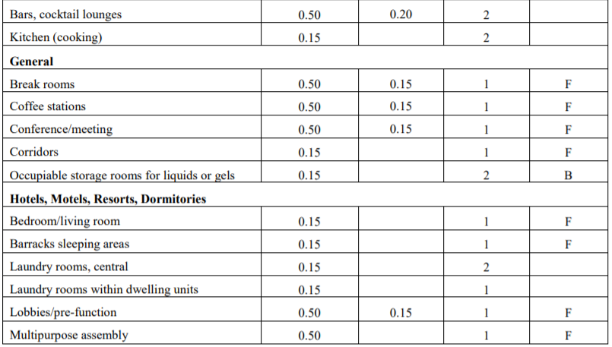
 | See dropdown |  |  |  |  |  |  |  | ¨ | Bathroom/Kitchen IAQ | See dropdown
 |  |  |  |  |  |  |  |  | ¨ | Bathroom/Kitchen IAQ & Vent.
 |  |  |  |  |  |  |  |  | ¨ | Kitchen Range Hood 2
 | See dropdown | 125 |  | 5 | 10 | 450.00 |  |  | ¨ | Bathroom/Ktichen IAQ | See dropdown
 |  |  |  |  |  |  |  |  | ¨ | Bathroom/Ktichen IAQ & Vent.
 |  |  |  |  |  |  |  |  | ¨ | Kitchen Range Hood 2
30 | Is this a balanced system? 4 |  |  |  | Yes/No | 31 | Meeting Outside Air Requirements? |  |  |  | Yes/ No
1 FOOTNOTES: Uniform Mechanical Code may have more stringent ventilation requirements; the most stringent code requirement takes precedence.
2 Kitchen range hood will be verified per NA7.18.1 to confirm model is rated by HVI or AHAM.
3 Air filtration requirements apply to the following three system types per §160.2(b)1 space conditioning systems utilizing ducts to supply air to occupiable space; supply-only ventilation systems providing outside air to occupiable space; supply side of balanced ventilation systems including heat recovery and energy recovery ventilation systems providing outside air to occupiable space.
4 A balanced ventiltion system provides ventilation airflow to each dwelling-unit at a rate equal to or greater than the required minimum rate, but not more than twenty percent greater.
5 Compartmentalization testing per §160.2(b)2Aivb2 is required for all new multifamily attached dwelling units; leakage shall not exceed 0.3 CFM50/ft² of envelope surface area, verified per RA3.8 or NA2.3.
 |  | Column 09- Occupancy Type Dropdown | Minimum Ventilation Rate (cfm/ft2) | Minimum Exhaust Rate (cfm/unit) | Minimum Exhaust Rate (cfm/ft2) | cfm/ft2 for column 13 calc DCV | Minimum Occupant Load Density (persons/1,000ft2) |  |  | Column 07- Air filtration dropdown
 |  | Unoccupied Space | 0 |  | 0 |  | NA |  |  | Provided
 |  | All others | 0.15 |  |  |  | 5 |  |  | NA: Not system type specified in Table J footnote 2
 |  | Animal imaging (MRI/CT/PET) | 0.15 |  | 0.9 |  | 5 |  |  | Evaporative Cooler
 |  | Animal operating rooms | 0.15 |  | 3 |  | 5
 |  | Animal postoperative recovery room | 0.15 |  | 1.5 |  | 5
 |  | Animal preparation room | 0.15 |  | 1.5 |  | 5
 |  | Animal procedure room | 0.15 |  | 2.25 |  | 5
 |  | Animal surgery scub | 0.15 |  | 1.5 |  | 5
 |  | Animal necropsy | 0.15 |  | 2.25 |  | 5
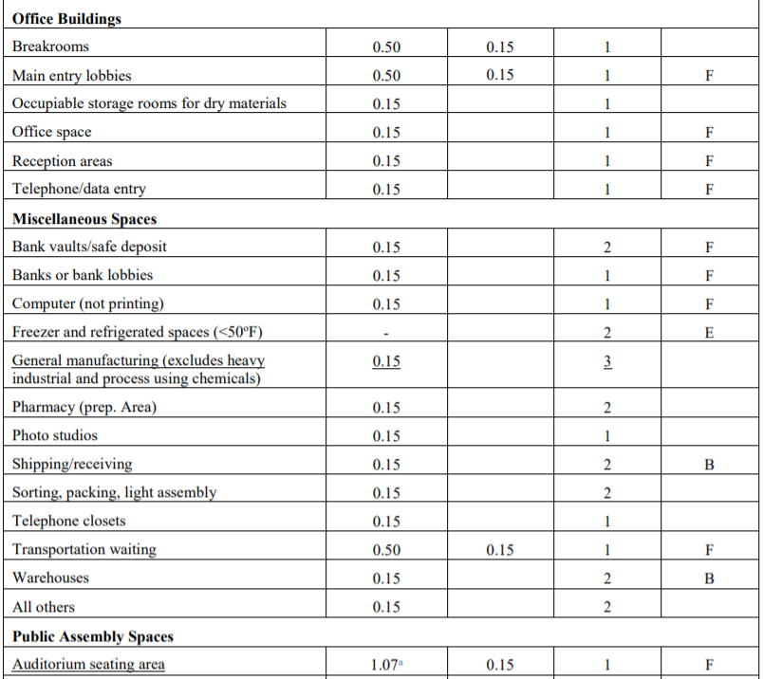
 |  | Art Classroom | 0.15 |  | 0.7 |  | 25
 |  | Assembly- multiuse | 0.5 |  |  |  | 33
 |  | Auditorium seating area | 1.07 0.15 |  |  | 0.15 | 71 |  |  |  | Coulmn 16- DCV Dropdown
 |  | Auto-repair room | 0.15 |  | 1.5 |  | NA |  |  |  | Provided per §120.1(d)4
 |  | Bank or bank lobby | 0.15 |  |  |  | 5 |  |  |  | NA: Not required per §120.1(d)3
 |  | Bank Vault/safe deposit | 0.15 |  |  |  | 5 |  |  |  | NA: Space exhaust is > design ventilation rate exception
 |  | Bar/ cocktail lounge | 0.5 0.2 |  |  | 0.2 | 33 |  |  |  | NA: Processes that generate dust, fumes, etc.& no local exhaust
 |  | Barbershop | 0.40 |  | 0.5 |  | 17 |  |  |  | NA: Area <150 ft2 or design occupancy < 10 people
 |  | Barracks sleeping area | 0.15 |  |  |  | 5
 |  | Beauty/ nail salon | 0.40 |  | 0.6 |  | 17
 |  | Bedroom/Living room (hotel/motel/dorm) | 0.15 |  |  |  | 3
 |  | Bowling alley (seating) | 1.07 0.15 |  |  | 0.15 | 7 |  |  |  | Column 16- Occ Sens Dropdown
 |  | Break room | 0.5 0.15 |  |  | 0.15 | 33 |  |  |  | Provided per §120.1(d)5
 |  | Cafeteria/ fast-food dining | 0.5 0.15 |  |  | 0.15 | 33 |  |  |  | NA: Continously operated per §120.2(e)3 exception
 |  | Cells with toilet | 0.15 |  | 1.0 |  | NA |  |  |  | NA: System < 2kW demand + manual shutoff per §120.2(e)3 exception
 |  | Classroom (age 5-18) | 0.38 0.15 |  |  | 0.15 | 25
 |  | Classroom (age 9-18) | 0.15 |  |  |  | 25 |  |  |  | NA: Hotel/ motel + manual shutoff per §120.2(e)3 exception

 |  | Coffee station | 0.5 0.15 |  |  | 0.15 | 33 |  |  |  | NA: Not required space type
 |  | Coin-operated Laundry | 0.30 |  |  |  | 17
 |  | Computer (not printing) | 0.15 |  |  |  | 5
 |  | Computer Lab | 0.15 |  |  |  | 25
 |  | Conference/ meeting | 0.5 0.15 |  |  | 0.15 | 33
 |  | Copy/ printing room | 0.15 |  | 0.5 |  | NA |  |  |  | Column 27- Air filtration dropdown
 |  | Corridor | 0.15 |  |  |  | 5 |  |  |  | Provided
 |  | Courtroom | 0.19 0.15 |  |  | 0.15 | 13 |  |  |  | NA: Evaporative Cooler
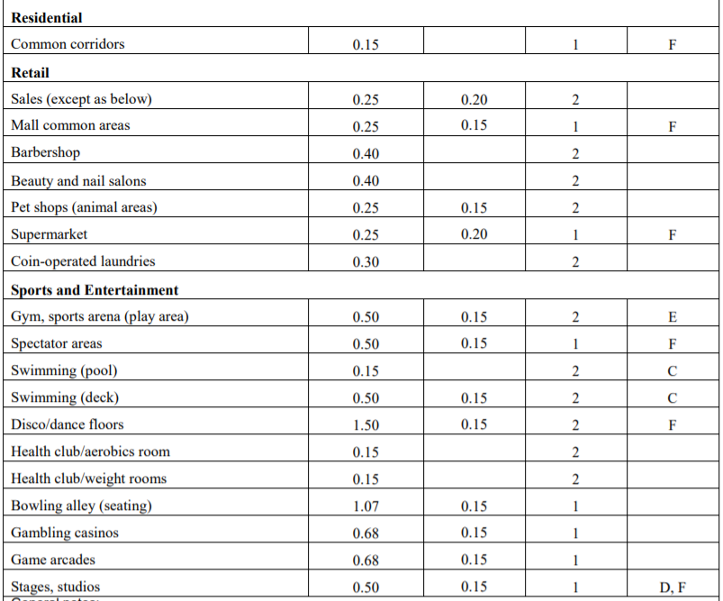
 |  | Darkroom | 0.15 |  | 1.0 |  | NA
 |  | Daycare (through age 4) | 0.21 0.15 |  |  | 0.15 | 14
 |  | Daycare Sickroom | 0.15 |  |  |  | 5
 |  | Disco/ dance floor | 1.5 0.15 |  |  | 0.15 | 100
 |  | Freezer and refrigerated spaces | 0 |  |  |  | 0
 |  | Gambling casino | 0.68 0.15 |  |  | 0.15 | 45
 |  | Game arcade | 0.68 0.15 |  |  | 0.15 | 45
 |  | General Manufacturing- non chemical | 0.15 |  |  |  | 5
 |  | Gym/ sports arena (play area) | 0.5 0.15 |  |  | 0.15 | 10
 |  | Health club/ aerobics | 0.15 |  |  |  | 10
 |  | Health club/ weight room | 0.15 |  |  |  | 10
 |  | Janitor closet | 0.15 |  | 1.0 |  | NA
 |  | Kitchen (cooking) | 0.15 |  | 0.7 |  | 3
 |  | Kitchenettes | 0.15 |  | 0.3 |  | NA
 |  | Large animal holding room | 0.15 |  | 2.25 |  | NA
 |  | Laundry (soiled storage) | 0.15 |  | 1.0 |  | NA
 |  | Laundry room (central) | 0.15 |  |  |  | 5
 |  | Laundry room (dwelling unit) | 0.15 |  |  |  | 5
 |  | Lecture Hall (fixed seats) | 0.15 |  |  | 0.15 | 71
 |  | Lecture/ postsecondary classroom | 0.38 0.15 |  |  | 0.15 | 25
 |  | Legislative chamber | 0.19 0.15 |  |  | 0.15 | 13
 |  | Library- reading room/stacks | 0.15 |  |  |  | 10
 |  | Lobbies/pre function | 0.5 0.15 |  |  | 0.15 | 33
 |  | Locker room (all others) | 0.15 |  | 0.25 |  | NA
 |  | Locker room (athletic facility) | 0.15 |  | 0.5 |  | NA
 |  | Main Entry Lobby | 0.5 0.15 |  |  | 0.115 | 33
 |  | Mall common area | 0.25 0.15 |  |  | 0.15 | 17
 |  | Media Center | 0.15 |  |  |  | 25
 |  | Multipurpose assembly | 0.5 0.15 |  |  |  | 33
 |  | Multiuse assembly | 0.5 0.15 |  |  | 0.15 | 33
 |  | Museum (children's) | 0.25 0.15 |  |  | 0.15 | 17
 |  | Museum/gallery | 0.25 0.15 |  |  | 0.15 | 17
 |  | Music/theater/dance | 1.07 0.15 |  |  | 0.15 | 33
 |  | Occupiable storage for dry materials | 0.15 |  |  |  | 2
 |  | Occupiable storage for liquids/gels | 0.15 |  | 1.5 |  | 2
 |  | Office space | 0.15 |  |  |  | 5
 |  | Parking Garage | 0.15 |  | 0.75 |  | NA
 |  | Pet shop (animal area) | 0.25 0.2 |  | 0.9 | 0.15 | 17
 |  | Pharmacy (prep area) | 0.15 |  |  |  | 5
 |  | Photo studio | 0.15 |  |  |  | 5
 |  | Places of religious worship | 1.07 0.15 |  |  | 0.15 | 71
 |  | Reception area | 0.15 |  |  |  | 5
 |  | Restaurant Dining Rooms | 0.5 0.15 |  |  | 0.15 | 33
 |  | Retail sales | 0.25 0.20 |  |  | 0.2 | 17
 |  | Science Laboratories | 0.15 |  | 1.0 |  | 25
 |  | Shipping/ receiving | 0.15 |  |  |  | 2
 |  | Shower room | 0.15 | 50 |  |  | NA
 |  | Shower room- cont. exh. | 0.15 | 20 |  |  | NA
 |  | Sorting/packing/ light assembly | 0.15 |  |  |  | 2
 |  | Small-animal-cage room (static cages) | 0.15 |  | 2.25 |  | NA
 |  | Small-animal-cage room (ventilated cages) | 0.15 |  | 1.5 |  | NA
 |  | Spectator area (sports) | 0.5 0.15 |  | 0.5 | 0.15 | 33
 |  | Stages, studios | 0.5 0.15 |  |  | 0.15 | 33
 |  | Supermarket | 0.25 0.2 |  |  | 0.2 | 17
 |  | Swimming deck | 0.5 0.15 |  |  | 0.15 | 33
 |  | Swimming pool | 0.15 |  |  |  | 10
 |  | Telephone closet | 0.15 |  |  |  | 5
 |  | Telephone/ data entry | 0.15 |  |  |  | 33
 |  | Toilet (private) | 0.15 | 50 |  |  | NA
 |  | Toilet (private)- cont. exh. | 0.15 | 25 |  |  | NA
 |  | Toilet (public) | 0.15 | 70 |  |  | NA
 |  | Toilet (public)- cont. ehx. | 0.15 | 50 |  |  | NA
 |  | Transportation waiting | 0.5 0.15 |  |  | 0.15 | 33
 |  | Trash/ recycling | 0.15 |  | 1.0 |  | NA
 |  | University/College Laboratory | 0.15 |  | 1.0 |  | 25
 |  | Warehouse | 0.15 |  |  |  | 1
 |  | Wood/ Metal shop | 0.15 |  | 0.5 |  | 10

L. Distribution
 | User input |  |  | auto calculated |  |  | From another Table |  | From look up table

L. DISTRIBUTION (DUCTWORK and PIPING)
[d:OnlyUI] Table Instructions: Complete the following tables to show compliance with mandatory pipe insulation requirements found in §120.3 and mandatory requirements found in §120.4 and 160.3(b) for duct sealing. [d:/OnlyUI] [d:OnlyRG] This table is used to demonstrate compliance with mandatory pipe insulation requirements found in §120.3 and mandatory requirements found in §120.4(g) for duct sealing. [d:/OnlyRG]
Mandatory Pipe Insulation
01 | ¨ | Insulation shall be protected from damage, including that due to sunlight, moisture, equipment maintenance, and wind. Insulation exposed to weather shall be installed with a cover suitable for outdoor service. Insulation covering chilled water piping and refrigerant suction piping located outside the conditioned space shall have a Class I or Class II vapor retarder. All penetrations and joints of which shall be sealed.
02 | 03 | 04 | 05 | 06 | 07 | 08 | 09 | 10 | 10a
System Type | Nominal Pipe Diameter (in) | Fluid Temperature Range (oF) | Conductivity Range (Btu-in per hr per ft2 per oF) | Insulation Mean Rating Temp. (oF) | Min. Insulation Thickness Required per Table 120.3-A (in) | Min. Insulation Thickness Required per §120.3(c)2 & §160.3(c)1dii (in) | Insulation Thickness per Design (in) | Exception to §120.3 & §160.3(c) (if applicable) | Serving Res or NR Space?
Dropdown | Dropdown | Dropdown | Dropdown | Value from Table 120.3-A based on column 04 | Value from Table 120.3-A based on columns 03/04 |  |  | Dropdown | Dropdown

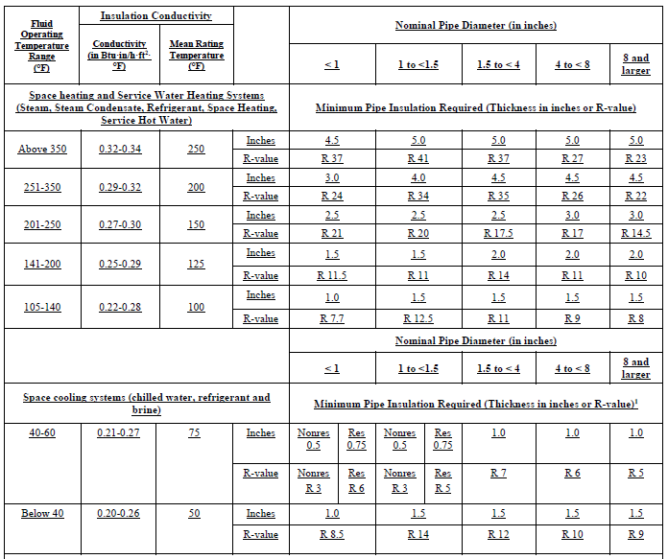
Duct Leakage Testing
The answers to the questions below apply to the following duct system(s): |  |  |  | Duct System #1 | NR/Common Use: Duct leakage testing shall not exceed X% per NA7.5.3 required for these systems? |  |  |  | 18
 |  |  |  |  | Dwelling Units: Total duct leakage of duct system shall not exceed 12% or duct leakage system to outside shall not exceed 6% per RA3.1.4 required for these systems?
 |  |  |  |  | Duct leakage testing per CMC Section 603.9.2 required for these systems?
11 | Dropdown | The scope of the project includes only duct systems serving healthcare facilites.
12 | Dropdown | Duct system provides conditioned air to an occupiable space for a constant volume, single zone, space-conditioning system.
13 | Dropdown | The space conditioning system serves less than 5,000 ft2 of conditioned floor area.
14 | Dropdown | The combined surface area of ducts located outdoors or in unconditioned spaces is more than 25% of the total surface area of the entire duct system:
15 | Dropdown | The scope of the project includes extending an existing duct system, which is constructed, insulated or sealed with asbestos.
16 | Dropdown | The scope of the project includes an existing duct system that is documented to have been previously sealed as confirmed through field verification and diagnostic testing in accordance with procedures in the Reference Nonresidential Appendix NA2.
18 | Dropdown | All ductwork is an extension of an existing duct system
19 | Dropdown | Ductwork serving dwelling unit
20 | Dropdown | <25 ft of new or replacement space conditioning duct installed
21 | Dropdown | Duct Insulation R Value
22 | Dropdown | Ductwork existing to remain
23 | Dropdown | Duct system connected to altered space conditioning system

System Type Dropdown | Pipe Dia Dropdown | Fluid Temp Range Dropdown if Space Heating in 02 | Conductivity Range Dropdown |  | Duct Insulation R Value Dropdown |  |  | Applicable Exception Dropdown | Space Dropdown
Space heating | < 1 | Above 350 | 0.32 - 0.34 |  | R0 |  |  | No exception taken | Residential
Space cooling | 1 to <1.5 | 251-350 | Other |  | R2.1 |  |  | Factory installed piping within certified equip. | Nonresidential
 | 1.5 to <4 | 201-250 | Conductivity Range Dropdown |  | R4.2 |  |  | Fluid design operating temp. 60-105oF
 | 4 to <8 | 141-200 | 0.29 - 0.32 |  | R6 |  |  | Lack of insulation will not increase energy use
 | 8+ | 105-140 | Other |  | R8
 |  |  | Conductivity Range Dropdown |  | R10
 |  | Fluid Temp Range Dropdown if Space Cooling in 02 | 0.27 - 0.30 |  | R12
 |  | 40-60 | Other |  | Rvalue Verified Duct System
 |  | Below 40 | Conductivity Range Dropdown
 | Duct Leakage Sealing Dropdowns (11/12/13/14/15/16/18/20) |  | 0.25 - 0.29
 | Yes |  | Other
 | No |  | Conductivity Range Dropdown
 |  |  | 0.22 - 0.28
 |  |  | Other
 | Duct Leakage Sealing Dropdowns (17) |  | Conductivity Range Dropdown
 | Yes |  | 0.21 - 0.27
 | Exposed Ductwork located in occupied space |  | Other
 |  |  | Conductivity Range Dropdown
 |  |  | 0.20 - 0.26
 |  |  | Other

M.Cooling Tower
 | user entered |  |  | auto calculated |  |  |  |  | From another Table |  |  |  | From look up table

M. COOLING TOWERS
[d:OnlyUI] Table Instructions: Complete the following Table for open and closed circuit cooling towers with a rated capacity > 150 tons to demonstrate compliance with mandatory requirements in §110.2(e)2. This Table calculates the Maximum Achievable Cycles of Concentration using the Langelier Saturation Index (LSI) calculations per §110.2(e)2. [d:/OnlyUI] [d:OnlyRG] This table is used to demonstrate compliance with mandatory requirements in §110.2(e)2 for cooling towers with a rated capacity > 150 tons. This Table calculates the Maximum Cycles of Concentration using the Langelier Saturation Index (LSI) calculations per §110.2(e)2. [d:/OnlyRG]
01 | ¨ | Check the box if the project is showing calculations on the plans, or attaching the calculations instead of completing this Table.
02 | 03 | 04 | 05 | 06 | 07 | 08 | 09 | 0910 | 1011 | 1112 | 13 | 14 | 15
Name or Item Tag | Design Conditions |  | Rated Conditions | Maximum Skin Temp (◦F) | Conductivity | M-Alkalinity Excluding Galvanized Steel | M-Alkalinity Including Galvanized Steel | Calcium Hardness | Magnesium Hardness | Total Dissolved Solids Target Tower Cycles | Chlorides | Sulfates | Silica
 | Design GPM | Min Flow GPM | GPM/HP

 |  |  |  |  |  | 1216 | 1317 | 1419 | 1518
 |  |  |  |  |  | Target Tower Cycles Calculated pH @ Target Cycles | Maximum Achievable Cycles of Concentration pH Saturation @ Target Cycles | Tower LSI Based on Calculated pH | Complies

 |  |  |  |  |  |  |  | equals M.12-M.13
1 Open-circuit cooling tower is defined as an open, or direct contact, cooling tower which exposes water directly to the cooling atmosphere, thereby transferring the source heat load from the water directly to the air by a combination of heat and mass transfer.
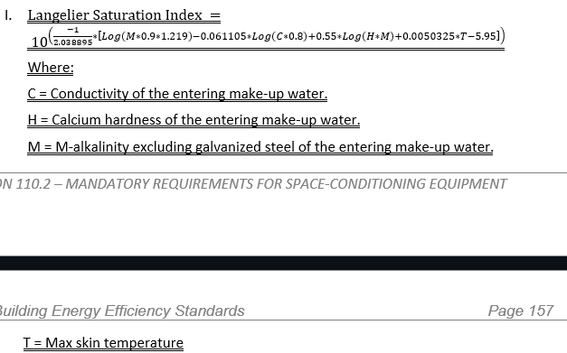
2 Closed-circuit cooling tower is defined as a cooling tower that utilizes indirect contact between a heated fluid, typically water or glycol, and the cooling atmosphere to transfer the source heat load through sensible heat, latent heat, and mass transfer indirectly to the air, essentially combining a heat exchanger and cooling tower into an integrated and relatively compact device.

3 Blowdown must not occur until one or more of the parameters in Table 110.2-A-1 reaches the maximum value. According to CEC calculations in 110.2(e)2, this will occur after the maximum achievable cycles of concentration calculated in field M17

 | Climate Zone Dropdown
 | 1
 | 2
 | 3
 | 4
 | 5
 | 6
 | 7
 | 8
 | 9
 | 10
 | 11
 | 12
 | 13
 | 14
 | 15
 | 16

